US
U.S.
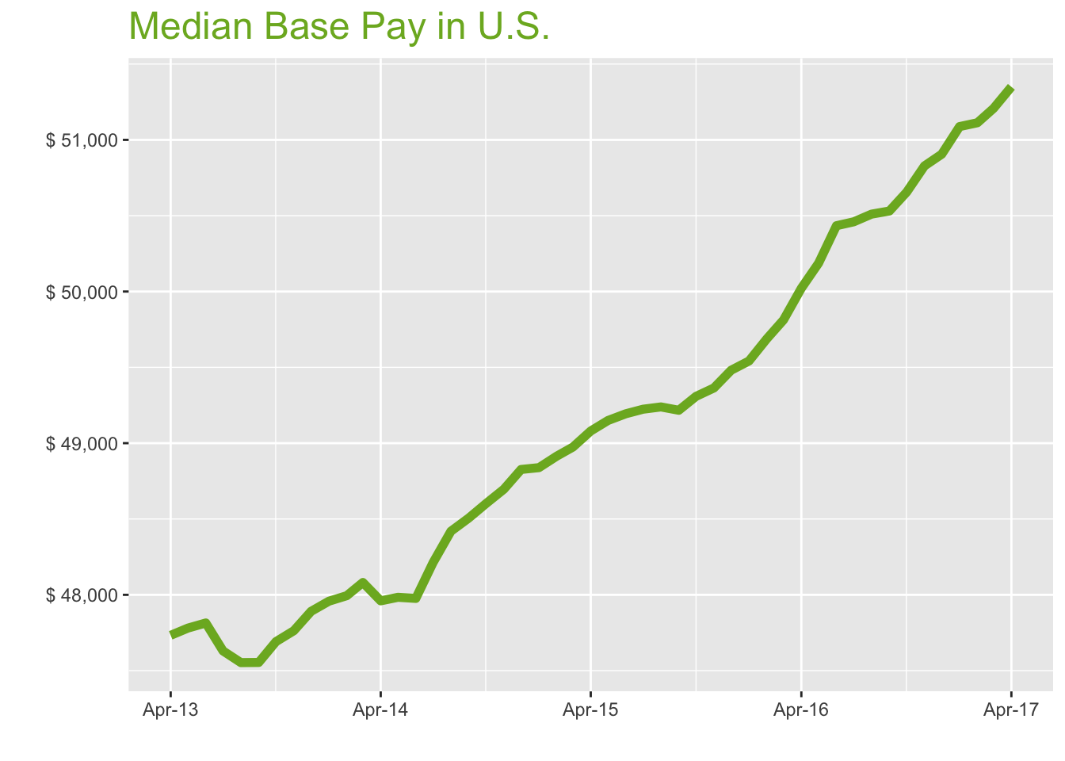
Apr-17

Job Title

Design
 | Median Base Pay | YoY
Graphic Designer | $43,550 | 2.10%
Education
 | Median Base Pay | YoY
Professor | $90,007 | 5.80%
Teacher | $46,017 | 2.50%
Engineering
 | Median Base Pay | YoY
Mechanical Engineer | $73,349 | 2.40%
Design Engineer | $70,616 | -0.30%
Electrical Engineer | $77,098 | 2.50%
Quality Engineer | $73,238 | 3.90%
Field Engineer | $69,530 | 2.30%
Finance
 | Median Base Pay | YoY
Financial Analyst | $62,277 | 1.80%
Accountant | $55,747 | 3.70%
Bank Teller | $28,549 | 5.60%
Tax Manager | $93,212 | 1.20%
Insurance Agent | $43,010 | 2.90%
Health
 | Median Base Pay | YoY
Registered Nurse | $65,930 | 4.00% | Year | Median Base Pay | YOY
Physical Therapist | $73,502 | 1.80% | 2017-04 | $51,350 | 2.7%
Pharmacy Technician | $30,298 | 3.50% | 2017-03 | $51,208 | 2.8%
Medical Assistant | $33,586 | 2.70% | 2017-02 | $51,113 | 2.9%
Physician | $243,094 | 2.70% | 2017-01 | $51,088 | 3.1%
Medical Technologist | $52,801 | 1.60% | 2016-12 | $50,906 | 2.9%
Emergency Medical Technician | $34,508 | 3.90% | 2016-11 | $50,828 | 3.0%
Human Resources |  |  | 2016-10 | $50,655 | 2.7%
 | Median Base Pay | YoY | 2016-09 | $50,531 | 2.7%
Recruiter | $51,306 | 6.90% | 2016-08 | $50,510 | 2.6%
Human Resources Manager | $67,854 | 1.40% | 2016-07 | $50,460 | 2.5%
Labor |  |  | 2016-06 | $50,434 | 2.5%
 | Median Base Pay | YoY | 2016-05 | $50,187 | 2.1%
Technician | $45,245 | 1.60% | 2016-04 | $50,022 | 1.9%
Warehouse Associate | $39,920 | 6.30% | 2016-03 | $49,813 | 1.7%
Truck Driver | $51,577 | 2.70% | 2016-02 | $49,688 | 1.6%
Machine Operator | $39,925 | 2.90% | 2016-01 | $49,542 | 1.4%
Construction Laborer | $40,638 | 2.00% | 2015-12 | $49,481 | 1.3%
Maintenance Worker | $40,150 | 0.40% | 2015-11 | $49,364 | 1.4%
Law |  |  | 2015-10 | $49,309 | 1.5%
 | Median Base Pay | YoY | 2015-09 | $49,217 | 1.5%
Attorney | $98,594 | 3.60% | 2015-08 | $49,239 | 1.7%
Paralegal | $47,787 | 0.70% | 2015-07 | $49,224 | 2.1%
Manufacturing |  |  | 2015-06 | $49,194 | 2.5%
 | Median Base Pay | YoY | 2015-05 | $49,150 | 2.4%
Production Manager | $66,347 | 2.50% | 2015-04 | $49,080 | 2.3%
Manufacturing Engineer | $71,773 | 3.50% | 2015-03 | $48,974 | 1.9%
Media |  |  | 2015-02 | $48,915 | 1.9%
 | Median Base Pay | YoY | 2015-01 | $48,839 | 1.8%
Producer | $52,040 | 2.20% | 2014-12 | $48,827 | 2.0%
Technical Editor | $52,955 | 2.70% | 2014-11 | $48,696 | 2.0%
Operations |  |  | 2014-10 | $48,602 | 1.9%
 | Median Base Pay | YoY | 2014-09 | $48,506 | 2.0%
Operations Manager | $66,730 | 4.00% | 2014-08 | $48,419 | 1.8%
Operations Analyst | $53,003 | 0.20% | 2014-07 | $48,213 | 1.2%
Professional Services |  |  | 2014-06 | $47,976 | 0.3%
 | Median Base Pay | YoY | 2014-05 | $47,984 | 0.4%
Consultant | $73,660 | 1.50% | 2014-04 | $47,960 | 0.5%
Project Manager | $73,442 | 1.80% | 2014-03 | $48,081
Business Analyst | $64,284 | 3.40% | 2014-02 | $47,994
Administrative Assistant | $39,787 | 3.60% | 2014-01 | $47,958
Marketing Manager | $68,175 | 1.70% | 2013-12 | $47,891
Product Manager | $90,538 | 2.20% | 2013-11 | $47,763
Customer Service Manager | $54,177 | 7.40% | 2013-10 | $47,691
Business Development Manager | $69,181 | 3.50% | 2013-09 | $47,554
Communications Manager | $66,560 | 1.90% | 2013-08 | $47,553
Real Estate |  |  | 2013-07 | $47,630
 | Median Base Pay | YoY | 2013-06 | $47,814
Property Manager | $51,479 | 2.40% | 2013-05 | $47,781
Food Services |  |  | 2013-04 | $47,733
 | Median Base Pay | YoY
Restaurant Cook | $28,568 | 5.40%
Retail
 | Median Base Pay | YoY
Store Manager | $48,848 | 6.60%
Cashier | $27,582 | 5.00%
Buyer | $58,550 | 3.50%
Retail Key Holder | $29,615 | 4.20%
Sales
 | Median Base Pay | YoY
Sales Representative | $46,800 | 4.10%
Sales Manager | $61,783 | 0.80%
Technology
 | Median Base Pay | YoY
Software Engineer | $86,391 | 3.70%
Programmer Analyst | $69,233 | 5.10%
Web Developer | $62,938 | -0.10%
Data Scientist | $94,944 | 1.10%
Data Analyst | $59,084 | 4.00%
Java Developer | $74,502 | 1.30%
Web Designer | $50,782 | 2.80%

U.S. Quick Facts

 | Apr-17 | YoY
U.S. Median Pay | $51,350 | 2.70%

Industry

 | Median Base Pay
Accounting & Legal | $52,251
Aerospace & Defense | $54,684
Architecture & Civil Engineering | $52,794
Arts & Entertainment | $46,495
Automotive | $46,911
Banking & Financial Services | $51,076
Beauty & Fitness | $45,562
Biotech & Pharmaceuticals | $54,732
Business Services | $49,646
Computer Software & Hardware | $52,860
Construction | $52,374
Consulting | $52,306
Consumer Electronics | $44,314
Consumer Services | $45,815
Education & Schools | $46,685
Energy & Utilities | $56,868
Facilities | $46,670
Farming & Agriculture | $51,016
Government | $51,112
Health Care & Hospitals | $49,714
Information Technology | $50,879
Insurance | $50,930
Internet & Tech | $51,798
Manufacturing | $52,553
Marketing & Advertising | $48,571
Media & Publishing | $49,111
Nonprofit | $46,273
Private Security | $46,089
Real Estate | $49,220
Recruiting & Staffing | $48,643
Restaurants & Bars | $46,727
Retail | $46,660
Supermarkets | $47,523
Telecommunications | $50,097
Transportation & Logistics | $49,515
Travel & Tourism | $46,872
Wholesale | $49,958

Employer Size

 | Median Base Pay
<51 | $46,404
51-200 | $48,189
201-500 | $49,195
501-1000 | $50,018
1001-5000 | $51,190
5000+ | $52,103

SF
San Francisco Metro
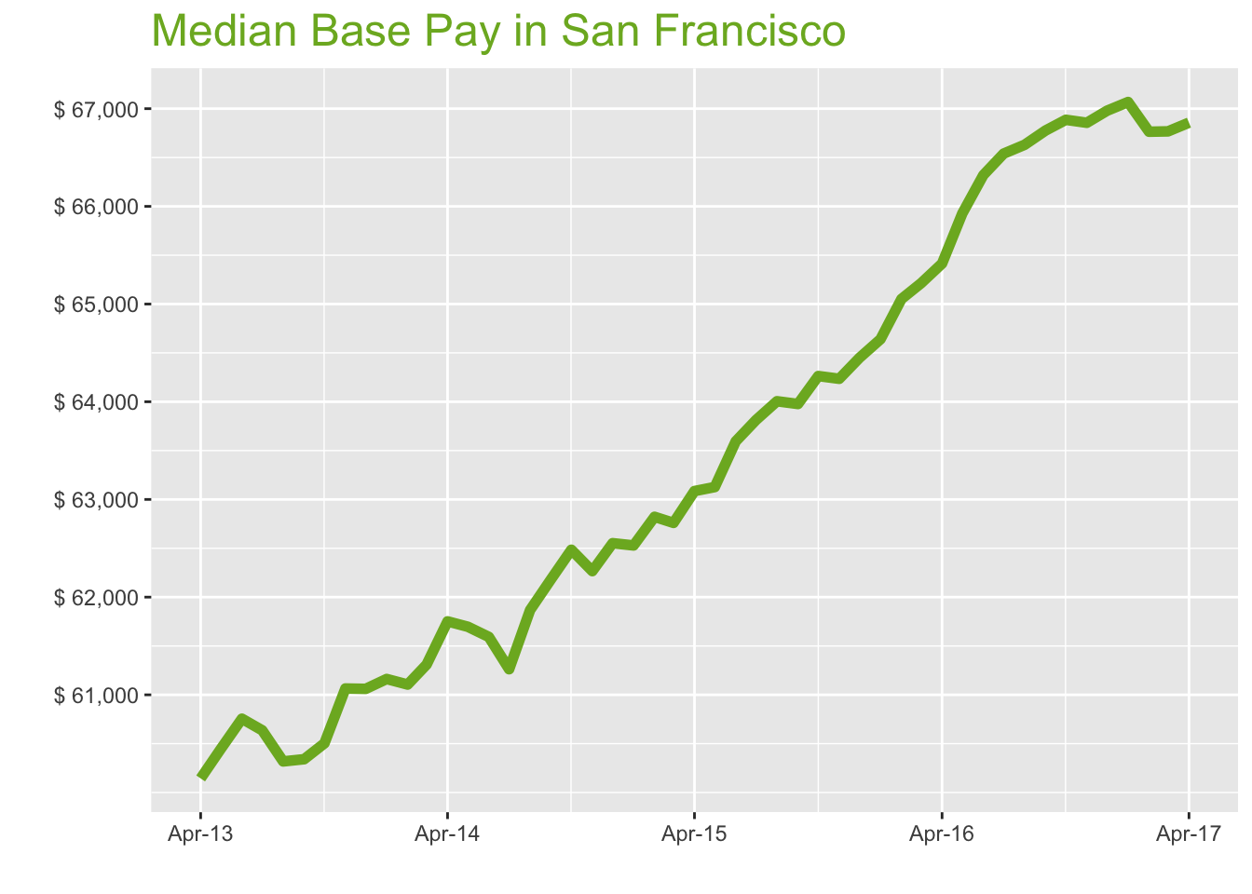
Apr-17

Job Title

Design
 | Median Base Pay | YoY
Graphic Designer | $68,416 | 1.60%
Education
 | Median Base Pay | YoY
Professor | $132,445 | 5.30%
Teacher | $63,126 | 2.00%
Engineering
 | Median Base Pay | YoY
Mechanical Engineer | $92,279 | 2.00%
Design Engineer | $89,732 | -0.70%
Electrical Engineer | $95,286 | 2.10%
Quality Engineer | $91,244 | 3.40%
Field Engineer | $79,067 | 1.80%
Finance
 | Median Base Pay | YoY
Financial Analyst | $81,464 | 1.40%
Accountant | $70,572 | 3.20%
Bank Teller | $32,861 | 5.10%
Tax Manager | $118,352 | 0.80%
Insurance Agent | $51,561 | 2.40%
Health
 | Median Base Pay | YoY
Registered Nurse | $110,220 | 3.50% | Year | Median Base Pay | YOY
Physical Therapist | $94,096 | 1.30% | 2017-04 | $66,857 | 2.2%
Pharmacy Technician | $44,960 | 3.10% | 2017-03 | $66,768 | 2.4%
Medical Assistant | $49,074 | 2.20% | 2017-02 | $66,764 | 2.6%
Physician | $316,502 | 2.20% | 2017-01 | $67,068 | 3.8%
Medical Technologist | $68,746 | 1.20% | 2016-12 | $66,979 | 3.9%
Emergency Medical Technician | $42,767 | 3.40% | 2016-11 | $66,856 | 4.1%
Human Resources |  |  | 2016-10 | $66,886 | 4.1%
 | Median Base Pay | YoY | 2016-09 | $66,776 | 4.4%
Recruiter | $71,959 | 6.50% | 2016-08 | $66,630 | 4.1%
Human Resources Manager | $94,696 | 1.00% | 2016-07 | $66,540 | 4.3%
Labor |  |  | 2016-06 | $66,320 | 4.3%
 | Median Base Pay | YoY | 2016-05 | $65,928 | 4.4%
Technician | $56,458 | 1.20% | 2016-04 | $65,415 | 3.7%
Warehouse Associate | $51,975 | 5.80% | 2016-03 | $65,213 | 3.9%
Truck Driver | $64,317 | 2.20% | 2016-02 | $65,052 | 3.5%
Machine Operator | $49,171 | 2.40% | 2016-01 | $64,640 | 3.4%
Construction Laborer | $50,842 | 1.50% | 2015-12 | $64,450 | 3.0%
Maintenance Worker | $52,275 | 0.00% | 2015-11 | $64,235 | 3.2%
Law |  |  | 2015-10 | $64,263 | 2.8%
 | Median Base Pay | YoY | 2015-09 | $63,977 | 2.9%
Attorney | $143,627 | 3.10% | 2015-08 | $64,005 | 3.5%
Paralegal | $68,940 | 0.20% | 2015-07 | $63,813 | 4.2%
Manufacturing |  |  | 2015-06 | $63,595 | 3.3%
 | Median Base Pay | YoY | 2015-05 | $63,127 | 2.3%
Production Manager | $87,000 | 2.10% | 2015-04 | $63,086 | 2.2%
Manufacturing Engineer | $91,917 | 3.10% | 2015-03 | $62,760 | 2.4%
Media |  |  | 2015-02 | $62,822 | 2.8%
 | Median Base Pay | YoY | 2015-01 | $62,529 | 2.2%
Producer | $82,758 | 1.70% | 2014-12 | $62,552 | 2.4%
Technical Editor | $68,946 | 2.20% | 2014-11 | $62,266 | 2.0%
Operations |  |  | 2014-10 | $62,485 | 3.3%
 | Median Base Pay | YoY | 2014-09 | $62,184 | 3.1%
Operations Manager | $85,555 | 3.60% | 2014-08 | $61,868 | 2.6%
Operations Analyst | $68,691 | -0.20% | 2014-07 | $61,262 | 1.0%
Professional Services |  |  | 2014-06 | $61,593 | 1.4%
 | Median Base Pay | YoY | 2014-05 | $61,697 | 2.1%
Consultant | $96,238 | 1.10% | 2014-04 | $61,752 | 2.7%
Project Manager | $92,905 | 1.40% | 2014-03 | $61,310
Business Analyst | $84,275 | 2.90% | 2014-02 | $61,105
Administrative Assistant | $53,852 | 3.10% | 2014-01 | $61,162
Marketing Manager | $98,943 | 1.20% | 2013-12 | $61,061
Product Manager | $121,394 | 1.80% | 2013-11 | $61,065
Customer Service Manager | $70,230 | 6.90% | 2013-10 | $60,504
Business Development Manager | $91,900 | 3.10% | 2013-09 | $60,341
Communications Manager | $96,531 | 1.40% | 2013-08 | $60,318
Real Estate |  |  | 2013-07 | $60,637
 | Median Base Pay | YoY | 2013-06 | $60,755
Property Manager | $70,475 | 1.90% | 2013-05 | $60,449
Food Services |  |  | 2013-04 | $60,144
 | Median Base Pay | YoY
Restaurant Cook | $35,424 | 5.00%
Retail
 | Median Base Pay | YoY
Store Manager | $63,693 | 6.20%
Cashier | $32,724 | 4.60%
Buyer | $80,429 | 3.00%
Retail Key Holder | $37,015 | 3.80%
Sales
 | Median Base Pay | YoY
Sales Representative | $60,530 | 3.60%
Sales Manager | $79,984 | 0.40%
Technology
 | Median Base Pay | YoY
Software Engineer | $119,014 | 3.30%
Programmer Analyst | $89,831 | 4.70%
Web Developer | $96,958 | -0.50%
Data Scientist | $134,775 | 0.70%
Data Analyst | $88,063 | 3.50%
Java Developer | $99,296 | 0.90%
Web Designer | $76,395 | 2.40%

San Francisco Quick Facts

 | Apr-17 | YoY
San Francisco Median Pay | $66,857 | 2.20%
U.S. Median Pay | $51,350 | 2.70%
Job Openings | 122,721 | 19.80%
 | Feb-17 | YoY
Labor Force Size* | 2,539,184 | 0.40%
Total Employment* | 2,449,943 | 0.80%
Unemployment Rate* | 3.50% | -0.40%

Industry

 | Median Base Pay
Accounting & Legal | $68,112
Aerospace & Defense | $71,284
Architecture & Civil Engineering | $68,820
Arts & Entertainment | $60,609
Automotive | $61,151
Banking & Financial Services | $66,581
Beauty & Fitness | $59,393
Biotech & Pharmaceuticals | $71,346
Business Services | $64,716
Computer Software & Hardware | $68,907
Construction | $68,272
Consulting | $68,184
Consumer Electronics | $57,766
Consumer Services | $59,723
Education & Schools | $60,856
Energy & Utilities | $74,131
Facilities | $60,838
Farming & Agriculture | $66,502
Government | $66,627
Health Care & Hospitals | $64,805
Information Technology | $66,324
Insurance | $66,390
Internet & Tech | $67,521
Manufacturing | $68,507
Marketing & Advertising | $63,315
Media & Publishing | $64,019
Nonprofit | $60,320
Private Security | $60,079
Real Estate | $64,161
Recruiting & Staffing | $63,409
Restaurants & Bars | $60,911
Retail | $60,823
Supermarkets | $61,949
Telecommunications | $65,304
Transportation & Logistics | $64,545
Travel & Tourism | $61,101
Wholesale | $65,123

Employer Size

 | Median Base Pay
<51 | $60,491
51-200 | $62,817
201-500 | $64,129
501-1000 | $65,201
1001-5000 | $66,729
5000+ | $67,919

LA
Los Angeles Metro

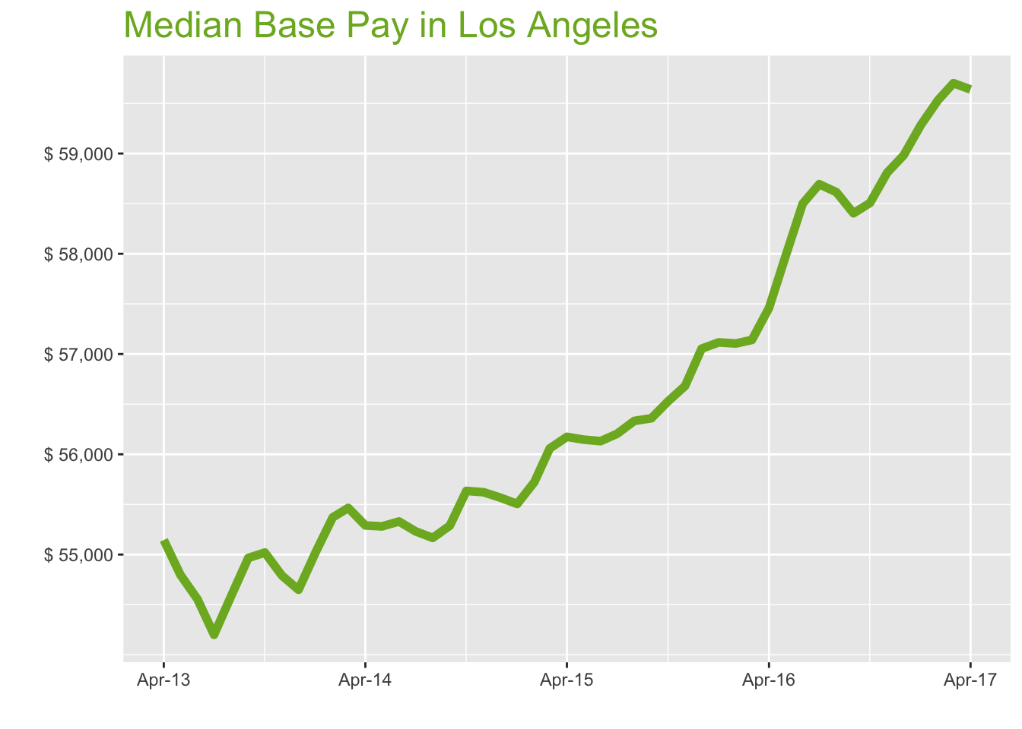
Apr-17

Job Title

Design
 | Median Base Pay | YoY
Graphic Designer | $55,869 | 3.20%
Education
 | Median Base Pay | YoY
Professor | $115,773 | 7.00%
Teacher | $60,674 | 3.60%
Engineering
 | Median Base Pay | YoY
Mechanical Engineer | $81,573 | 3.60%
Design Engineer | $84,816 | 0.90%
Electrical Engineer | $87,461 | 3.70%
Quality Engineer | $83,694 | 5.00%
Field Engineer | $76,281 | 3.40%
Finance
 | Median Base Pay | YoY
Financial Analyst | $70,759 | 2.90%
Accountant | $61,564 | 4.80%
Bank Teller | $30,971 | 6.70%
Tax Manager | $110,876 | 2.30%
Insurance Agent | $50,513 | 4.10%
Health
 | Median Base Pay | YoY
Registered Nurse | $88,720 | 5.10% | Year | Median Base Pay | YOY
Physical Therapist | $91,120 | 2.90% | 2017-04 | $59,639 | 3.8%
Pharmacy Technician | $36,909 | 4.70% | 2017-03 | $59,701 | 4.5%
Medical Assistant | $37,853 | 3.80% | 2017-02 | $59,531 | 4.2%
Physician | $282,336 | 3.80% | 2017-01 | $59,284 | 3.8%
Medical Technologist | $61,325 | 2.70% | 2016-12 | $58,983 | 3.4%
Emergency Medical Technician | $34,363 | 5.00% | 2016-11 | $58,809 | 3.8%
Human Resources |  |  | 2016-10 | $58,507 | 3.5%
 | Median Base Pay | YoY | 2016-09 | $58,404 | 3.6%
Recruiter | $60,730 | 8.10% | 2016-08 | $58,614 | 4.1%
Human Resources Manager | $84,150 | 2.50% | 2016-07 | $58,694 | 4.4%
Labor |  |  | 2016-06 | $58,500 | 4.2%
 | Median Base Pay | YoY | 2016-05 | $57,976 | 3.3%
Technician | $52,329 | 2.80% | 2016-04 | $57,459 | 2.3%
Warehouse Associate | $44,589 | 7.50% | 2016-03 | $57,140 | 1.9%
Truck Driver | $54,766 | 3.80% | 2016-02 | $57,105 | 2.5%
Machine Operator | $37,312 | 4.00% | 2016-01 | $57,116 | 2.9%
Construction Laborer | $40,125 | 3.10% | 2015-12 | $57,054 | 2.7%
Maintenance Worker | $41,822 | 1.50% | 2015-11 | $56,681 | 1.9%
Law |  |  | 2015-10 | $56,527 | 1.6%
 | Median Base Pay | YoY | 2015-09 | $56,359 | 1.9%
Attorney | $129,323 | 4.80% | 2015-08 | $56,333 | 2.1%
Paralegal | $59,998 | 1.80% | 2015-07 | $56,205 | 1.8%
Manufacturing |  |  | 2015-06 | $56,131 | 1.4%
 | Median Base Pay | YoY | 2015-05 | $56,146 | 1.6%
Production Manager | $78,010 | 3.70% | 2015-04 | $56,174 | 1.6%
Manufacturing Engineer | $79,934 | 4.70% | 2015-03 | $56,059 | 1.1%
Media |  |  | 2015-02 | $55,722 | 0.6%
 | Median Base Pay | YoY | 2015-01 | $55,505 | 0.9%
Producer | $77,604 | 3.30% | 2014-12 | $55,568 | 1.7%
Technical Editor | $61,504 | 3.80% | 2014-11 | $55,622 | 1.5%
Operations |  |  | 2014-10 | $55,635 | 1.1%
 | Median Base Pay | YoY | 2014-09 | $55,288 | 0.6%
Operations Manager | $76,310 | 5.20% | 2014-08 | $55,166 | 1.1%
Operations Analyst | $59,667 | 1.30% | 2014-07 | $55,231 | 1.9%
Professional Services |  |  | 2014-06 | $55,330 | 1.4%
 | Median Base Pay | YoY | 2014-05 | $55,281 | 0.9%
Consultant | $91,863 | 2.60% | 2014-04 | $55,290 | 0.3%
Project Manager | $85,184 | 3.00% | 2014-03 | $55,465
Business Analyst | $74,371 | 4.50% | 2014-02 | $55,371
Administrative Assistant | $47,789 | 4.70% | 2014-01 | $55,023
Marketing Manager | $84,032 | 2.80% | 2013-12 | $54,649
Product Manager | $103,769 | 3.40% | 2013-11 | $54,790
Customer Service Manager | $63,254 | 8.50% | 2013-10 | $55,020
Business Development Manager | $79,873 | 4.60% | 2013-09 | $54,966
Communications Manager | $80,143 | 3.00% | 2013-08 | $54,586
Real Estate |  |  | 2013-07 | $54,200
 | Median Base Pay | YoY | 2013-06 | $54,555
Property Manager | $63,903 | 3.50% | 2013-05 | $54,798
Food Services |  |  | 2013-04 | $55,145
 | Median Base Pay | YoY
Restaurant Cook | $32,198 | 6.60%
Retail
 | Median Base Pay | YoY
Store Manager | $60,777 | 7.80%
Cashier | $30,507 | 6.20%
Buyer | $65,903 | 4.60%
Retail Key Holder | $34,102 | 5.40%
Sales
 | Median Base Pay | YoY
Sales Representative | $54,441 | 5.20%
Sales Manager | $74,321 | 1.90%
Technology
 | Median Base Pay | YoY
Software Engineer | $99,944 | 4.90%
Programmer Analyst | $80,399 | 6.30%
Web Developer | $78,046 | 1.00%
Data Scientist | $114,220 | 2.20%
Data Analyst | $71,701 | 5.10%
Java Developer | $87,422 | 2.40%
Web Designer | $61,239 | 4.00%

Los Angeles Quick Facts

 | Apr-17 | YoY
Los Angeles Median Pay | $59,639 | 3.80%
U.S. Median Pay | $51,350 | 2.70%
Job Openings | 184,684 | 23.90%
 | Feb-17 | YoY
Labor Force Size* | 6,677,893 | 0.60%
Total Employment* | 6,375,087 | 1.20%
Unemployment Rate* | 4.50% | -0.60%

Industry

 | Median Base Pay
Accounting & Legal | $60,110
Aerospace & Defense | $62,909
Architecture & Civil Engineering | $60,735
Arts & Entertainment | $53,488
Automotive | $53,967
Banking & Financial Services | $58,759
Beauty & Fitness | $52,415
Biotech & Pharmaceuticals | $62,964
Business Services | $57,113
Computer Software & Hardware | $60,811
Construction | $60,251
Consulting | $60,173
Consumer Electronics | $50,980
Consumer Services | $52,706
Education & Schools | $53,707
Energy & Utilities | $65,422
Facilities | $53,690
Farming & Agriculture | $58,689
Government | $58,799
Health Care & Hospitals | $57,191
Information Technology | $58,532
Insurance | $58,590
Internet & Tech | $59,588
Manufacturing | $60,458
Marketing & Advertising | $55,877
Media & Publishing | $56,498
Nonprofit | $53,233
Private Security | $53,021
Real Estate | $56,623
Recruiting & Staffing | $55,959
Restaurants & Bars | $53,755
Retail | $53,678
Supermarkets | $54,671
Telecommunications | $57,632
Transportation & Logistics | $56,962
Travel & Tourism | $53,922
Wholesale | $57,472

Employer Size

 | Median Base Pay
<51 | $53,384
51-200 | $55,437
201-500 | $56,595
501-1000 | $57,541
1001-5000 | $58,890
5000+ | $59,940

CHI
Chicago Metro

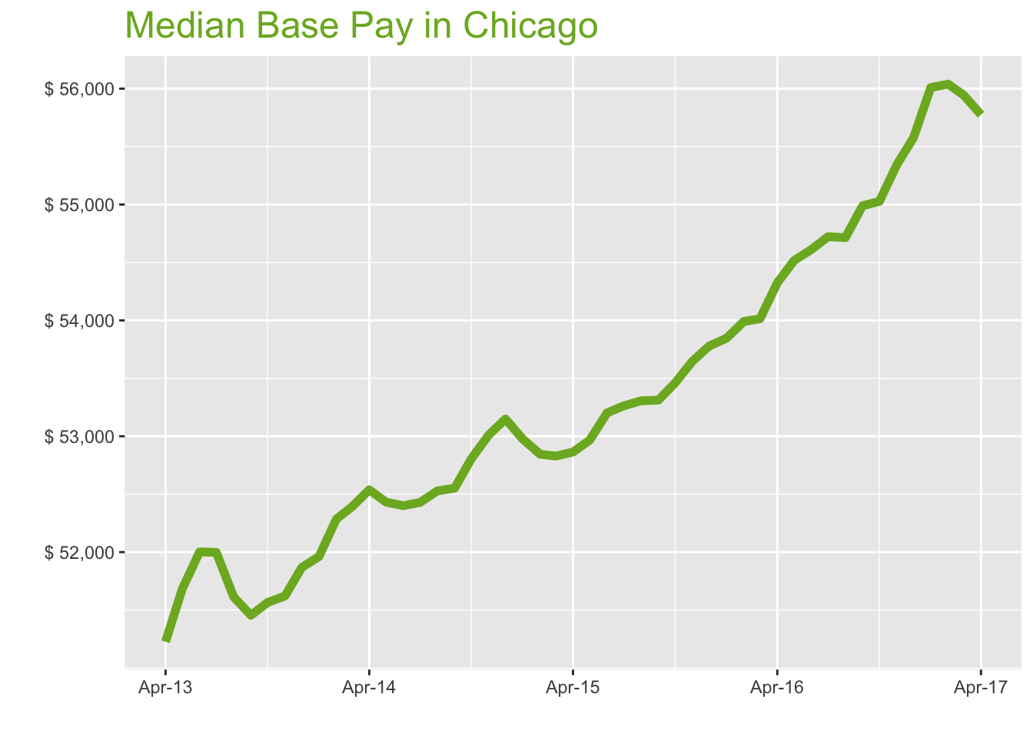
Apr-17

Job Title

Design
 | Median Base Pay | YoY
Graphic Designer | $50,078 | 2.10%
Education
 | Median Base Pay | YoY
Professor | $99,950 | 5.80%
Teacher | $53,326 | 2.50%
Engineering
 | Median Base Pay | YoY
Mechanical Engineer | $73,414 | 2.40%
Design Engineer | $74,691 | -0.30%
Electrical Engineer | $79,510 | 2.60%
Quality Engineer | $76,386 | 3.90%
Field Engineer | $67,528 | 2.30%
Finance
 | Median Base Pay | YoY
Financial Analyst | $67,182 | 1.80%
Accountant | $60,246 | 3.70%
Bank Teller | $29,214 | 5.60%
Tax Manager | $104,483 | 1.20%
Insurance Agent | $44,182 | 2.90%
Health
 | Median Base Pay | YoY
Registered Nurse | $69,625 | 4.00% | Year | Median Base Pay | YOY
Physical Therapist | $75,933 | 1.80% | 2017-04 | $55,775 | 2.7%
Pharmacy Technician | $32,247 | 3.50% | 2017-03 | $55,944 | 3.6%
Medical Assistant | $36,370 | 2.70% | 2017-02 | $56,039 | 3.8%
Physician | $264,044 | 2.70% | 2017-01 | $56,009 | 4.0%
Medical Technologist | $53,181 | 1.60% | 2016-12 | $55,576 | 3.3%
Emergency Medical Technician | $32,864 | 3.90% | 2016-11 | $55,342 | 3.2%
Human Resources |  |  | 2016-10 | $55,027 | 2.9%
 | Median Base Pay | YoY | 2016-09 | $54,990 | 3.1%
Recruiter | $53,846 | 7.00% | 2016-08 | $54,714 | 2.6%
Human Resources Manager | $80,104 | 1.40% | 2016-07 | $54,723 | 2.7%
Labor |  |  | 2016-06 | $54,611 | 2.7%
 | Median Base Pay | YoY | 2016-05 | $54,516 | 2.9%
Technician | $48,530 | 1.70% | 2016-04 | $54,324 | 2.8%
Warehouse Associate | $47,757 | 6.30% | 2016-03 | $54,013 | 2.2%
Truck Driver | $55,803 | 2.70% | 2016-02 | $53,991 | 2.2%
Machine Operator | $41,267 | 2.90% | 2016-01 | $53,846 | 1.6%
Construction Laborer | $45,926 | 2.00% | 2015-12 | $53,778 | 1.2%
Maintenance Worker | $42,564 | 0.40% | 2015-11 | $53,648 | 1.2%
Law |  |  | 2015-10 | $53,460 | 1.2%
 | Median Base Pay | YoY | 2015-09 | $53,312 | 1.4%
Attorney | $112,762 | 3.60% | 2015-08 | $53,306 | 1.5%
Paralegal | $55,421 | 0.70% | 2015-07 | $53,263 | 1.6%
Manufacturing |  |  | 2015-06 | $53,201 | 1.5%
 | Median Base Pay | YoY | 2015-05 | $52,967 | 1.0%
Production Manager | $70,177 | 2.60% | 2015-04 | $52,863 | 0.6%
Manufacturing Engineer | $74,242 | 3.60% | 2015-03 | $52,829 | 0.8%
Media |  |  | 2015-02 | $52,845 | 1.1%
 | Median Base Pay | YoY | 2015-01 | $52,976 | 2.0%
Producer | $63,932 | 2.20% | 2014-12 | $53,149 | 2.5%
Technical Editor | $57,519 | 2.70% | 2014-11 | $53,011 | 2.7%
Operations |  |  | 2014-10 | $52,807 | 2.4%
 | Median Base Pay | YoY | 2014-09 | $52,552 | 2.1%
Operations Manager | $71,052 | 4.00% | 2014-08 | $52,528 | 1.8%
Operations Analyst | $59,687 | 0.20% | 2014-07 | $52,429 | 0.8%
Professional Services |  |  | 2014-06 | $52,401 | 0.8%
 | Median Base Pay | YoY | 2014-05 | $52,431 | 1.4%
Consultant | $87,533 | 1.50% | 2014-04 | $52,538 | 2.6%
Project Manager | $80,821 | 1.80% | 2014-03 | $52,391
Business Analyst | $73,613 | 3.40% | 2014-02 | $52,285
Administrative Assistant | $44,599 | 3.60% | 2014-01 | $51,962
Marketing Manager | $80,475 | 1.70% | 2013-12 | $51,867
Product Manager | $97,725 | 2.30% | 2013-11 | $51,621
Customer Service Manager | $59,888 | 7.40% | 2013-10 | $51,566
Business Development Manager | $73,636 | 3.50% | 2013-09 | $51,454
Communications Manager | $75,296 | 1.90% | 2013-08 | $51,613
Real Estate |  |  | 2013-07 | $51,997
 | Median Base Pay | YoY | 2013-06 | $52,002
Property Manager | $59,738 | 2.40% | 2013-05 | $51,682
Food Services |  |  | 2013-04 | $51,227
 | Median Base Pay | YoY
Restaurant Cook | $29,692 | 5.40%
Retail
 | Median Base Pay | YoY
Store Manager | $53,514 | 6.70%
Cashier | $28,953 | 5.10%
Buyer | $66,929 | 3.50%
Retail Key Holder | $31,920 | 4.30%
Sales
 | Median Base Pay | YoY
Sales Representative | $50,738 | 4.10%
Sales Manager | $70,430 | 0.80%
Technology
 | Median Base Pay | YoY
Software Engineer | $88,114 | 3.80%
Programmer Analyst | $76,675 | 5.10%
Web Developer | $73,756 | -0.10%
Data Scientist | $99,928 | 1.10%
Data Analyst | $65,836 | 4.00%
Java Developer | $81,636 | 1.30%
Web Designer | $59,826 | 2.90%

Chicago Quick Facts

 | Apr-17 | YoY
Chicago Median Pay | $55,775 | 2.70%
U.S. Median Pay | $51,350 | 2.70%
Job Openings | 163,764 | 17.10%
 | Feb-17 | YoY
Labor Force Size* | 4,872,604 | -1.40%
Total Employment* | 4,613,032 | -0.10%
Unemployment Rate* | 5.30% | -1.20%

Industry

 | Median Base Pay
Accounting & Legal | $56,508
Aerospace & Defense | $59,139
Architecture & Civil Engineering | $57,095
Arts & Entertainment | $50,283
Automotive | $50,733
Banking & Financial Services | $55,238
Beauty & Fitness | $49,274
Biotech & Pharmaceuticals | $59,191
Business Services | $53,691
Computer Software & Hardware | $57,167
Construction | $56,640
Consulting | $56,567
Consumer Electronics | $47,924
Consumer Services | $49,548
Education & Schools | $50,488
Energy & Utilities | $61,501
Facilities | $50,473
Farming & Agriculture | $55,172
Government | $55,275
Health Care & Hospitals | $53,764
Information Technology | $55,024
Insurance | $55,079
Internet & Tech | $56,017
Manufacturing | $56,835
Marketing & Advertising | $52,528
Media & Publishing | $53,112
Nonprofit | $50,043
Private Security | $49,843
Real Estate | $53,230
Recruiting & Staffing | $52,606
Restaurants & Bars | $50,533
Retail | $50,461
Supermarkets | $51,395
Telecommunications | $54,178
Transportation & Logistics | $53,549
Travel & Tourism | $50,691
Wholesale | $54,028

Employer Size

 | Median Base Pay
<51 | $50,185
51-200 | $52,115
201-500 | $53,203
501-1000 | $54,093
1001-5000 | $55,361
5000+ | $56,348

HOU
Houston Metro

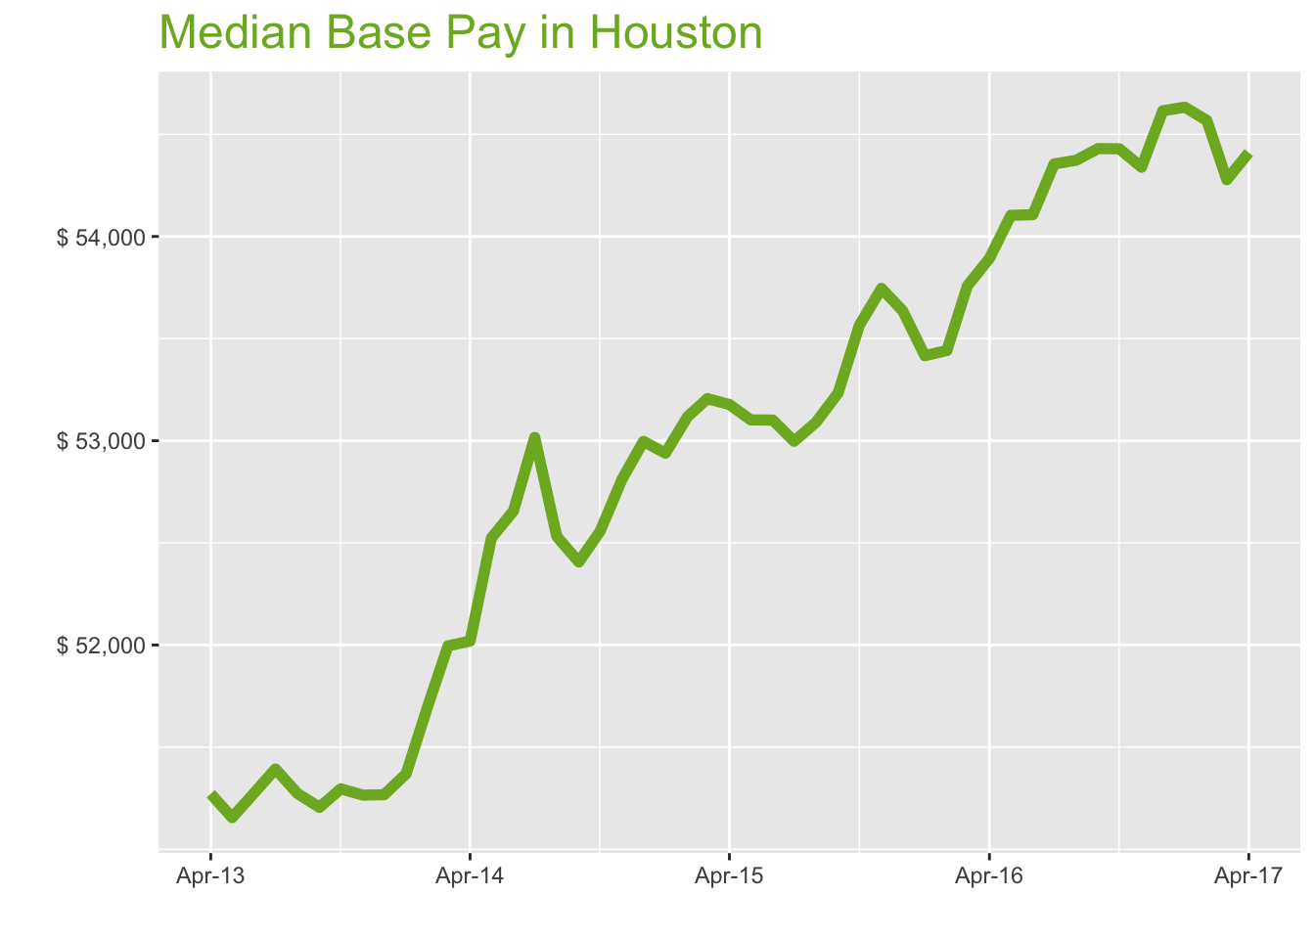
Apr-17

Job Title

Design
 | Median Base Pay | YoY
Graphic Designer | $46,691 | 0.40%
Education
 | Median Base Pay | YoY
Professor | $96,936 | 4.00%
Teacher | $50,198 | 0.80%
Engineering
 | Median Base Pay | YoY
Mechanical Engineer | $82,135 | 0.70%
Design Engineer | $80,789 | -1.90%
Electrical Engineer | $83,418 | 0.80%
Quality Engineer | $75,901 | 2.10%
Field Engineer | $71,327 | 0.60%
Finance
 | Median Base Pay | YoY
Financial Analyst | $69,224 | 0.10%
Accountant | $59,528 | 2.00%
Bank Teller | $28,284 | 3.80%
Tax Manager | $102,508 | -0.50%
Insurance Agent | $40,713 | 1.20%
Health
 | Median Base Pay | YoY
Registered Nurse | $70,638 | 2.30% | Year | Median Base Pay | YOY
Physical Therapist | $77,275 | 0.10% | 2017-04 | $54,410 | 1.0%
Pharmacy Technician | $32,206 | 1.80% | 2017-03 | $54,278 | 1.0%
Medical Assistant | $35,086 | 1.00% | 2017-02 | $54,568 | 2.1%
Physician | $257,583 | 1.00% | 2017-01 | $54,633 | 2.3%
Medical Technologist | $56,036 | -0.10% | 2016-12 | $54,615 | 1.8%
Emergency Medical Technician | $38,482 | 2.10% | 2016-11 | $54,339 | 1.1%
Human Resources |  |  | 2016-10 | $54,429 | 1.6%
 | Median Base Pay | YoY | 2016-09 | $54,430 | 2.2%
Recruiter | $53,422 | 5.20% | 2016-08 | $54,373 | 2.4%
Human Resources Manager | $79,791 | -0.30% | 2016-07 | $54,355 | 2.6%
Labor |  |  | 2016-06 | $54,107 | 1.9%
 | Median Base Pay | YoY | 2016-05 | $54,103 | 1.9%
Technician | $47,944 | -0.10% | 2016-04 | $53,893 | 1.3%
Warehouse Associate | $37,203 | 4.50% | 2016-03 | $53,759 | 1.0%
Truck Driver | $53,365 | 0.90% | 2016-02 | $53,441 | 0.6%
Machine Operator | $42,359 | 1.20% | 2016-01 | $53,416 | 0.9%
Construction Laborer | $37,274 | 0.30% | 2015-12 | $53,635 | 1.2%
Maintenance Worker | $37,833 | -1.20% | 2015-11 | $53,746 | 1.8%
Law |  |  | 2015-10 | $53,566 | 1.9%
 | Median Base Pay | YoY | 2015-09 | $53,234 | 1.6%
Attorney | $124,481 | 1.90% | 2015-08 | $53,090 | 1.1%
Paralegal | $53,621 | -1.00% | 2015-07 | $52,997 | 0.0%
Manufacturing |  |  | 2015-06 | $53,101 | 0.8%
 | Median Base Pay | YoY | 2015-05 | $53,102 | 1.1%
Production Manager | $68,570 | 0.80% | 2015-04 | $53,177 | 2.2%
Manufacturing Engineer | $76,229 | 1.80% | 2015-03 | $53,206 | 2.3%
Media |  |  | 2015-02 | $53,117 | 2.7%
 | Median Base Pay | YoY | 2015-01 | $52,939 | 3.1%
Producer | $56,417 | 0.50% | 2014-12 | $52,997 | 3.4%
Technical Editor | $56,111 | 1.00% | 2014-11 | $52,812 | 3.0%
Operations |  |  | 2014-10 | $52,557 | 2.5%
 | Median Base Pay | YoY | 2014-09 | $52,406 | 2.3%
Operations Manager | $70,696 | 2.30% | 2014-08 | $52,532 | 2.5%
Operations Analyst | $59,477 | -1.40% | 2014-07 | $53,016 | 3.2%
Professional Services |  |  | 2014-06 | $52,656 | 2.7%
 | Median Base Pay | YoY | 2014-05 | $52,524 | 2.7%
Consultant | $82,057 | -0.20% | 2014-04 | $52,019 | 1.5%
Project Manager | $83,940 | 0.10% | 2014-03 | $51,996
Business Analyst | $71,211 | 1.70% | 2014-02 | $51,706
Administrative Assistant | $42,891 | 1.90% | 2014-01 | $51,369
Marketing Manager | $74,433 | 0.00% | 2013-12 | $51,267
Product Manager | $94,430 | 0.60% | 2013-11 | $51,265
Customer Service Manager | $55,826 | 5.60% | 2013-10 | $51,296
Business Development Manager | $78,454 | 1.80% | 2013-09 | $51,205
Communications Manager | $71,042 | 0.20% | 2013-08 | $51,273
Real Estate |  |  | 2013-07 | $51,393
 | Median Base Pay | YoY | 2013-06 | $51,275
Property Manager | $54,982 | 0.70% | 2013-05 | $51,155
Food Services |  |  | 2013-04 | $51,272
 | Median Base Pay | YoY
Restaurant Cook | $26,882 | 3.70%
Retail
 | Median Base Pay | YoY
Store Manager | $51,238 | 4.90%
Cashier | $26,625 | 3.30%
Buyer | $61,607 | 1.80%
Retail Key Holder | $29,575 | 2.50%
Sales
 | Median Base Pay | YoY
Sales Representative | $49,649 | 2.40%
Sales Manager | $67,064 | -0.90%
Technology
 | Median Base Pay | YoY
Software Engineer | $83,859 | 2.00%
Programmer Analyst | $71,523 | 3.40%
Web Developer | $71,499 | -1.70%
Data Scientist | $108,479 | -0.60%
Data Analyst | $64,903 | 2.30%
Java Developer | $81,648 | -0.40%
Web Designer | $53,024 | 1.10%

Houston Quick Facts

 | Apr-17 | YoY
Houston Median Pay | $54,410 | 1.00%
U.S. Median Pay | $51,350 | 2.70%
Job Openings | 83,184 | 11.70%
 | Feb-17 | YoY
Labor Force Size* | 3,324,325 | 1.60%
Total Employment* | 3,129,225 | 0.50%
Unemployment Rate* | 5.90% | 1.10%

Industry

 | Median Base Pay
Accounting & Legal | $55,259
Aerospace & Defense | $57,833
Architecture & Civil Engineering | $55,834
Arts & Entertainment | $49,172
Automotive | $49,612
Banking & Financial Services | $54,017
Beauty & Fitness | $48,186
Biotech & Pharmaceuticals | $57,883
Business Services | $52,504
Computer Software & Hardware | $55,904
Construction | $55,389
Consulting | $55,317
Consumer Electronics | $46,866
Consumer Services | $48,453
Education & Schools | $49,373
Energy & Utilities | $60,143
Facilities | $49,358
Farming & Agriculture | $53,953
Government | $54,054
Health Care & Hospitals | $52,576
Information Technology | $53,809
Insurance | $53,863
Internet & Tech | $54,780
Manufacturing | $55,579
Marketing & Advertising | $51,368
Media & Publishing | $51,939
Nonprofit | $48,937
Private Security | $48,742
Real Estate | $52,054
Recruiting & Staffing | $51,444
Restaurants & Bars | $49,417
Retail | $49,346
Supermarkets | $50,259
Telecommunications | $52,981
Transportation & Logistics | $52,366
Travel & Tourism | $49,571
Wholesale | $52,835

Employer Size

 | Median Base Pay
<51 | $49,076
51-200 | $50,963
201-500 | $52,028
501-1000 | $52,898
1001-5000 | $54,138
5000+ | $55,103

NYC
New York City Metro

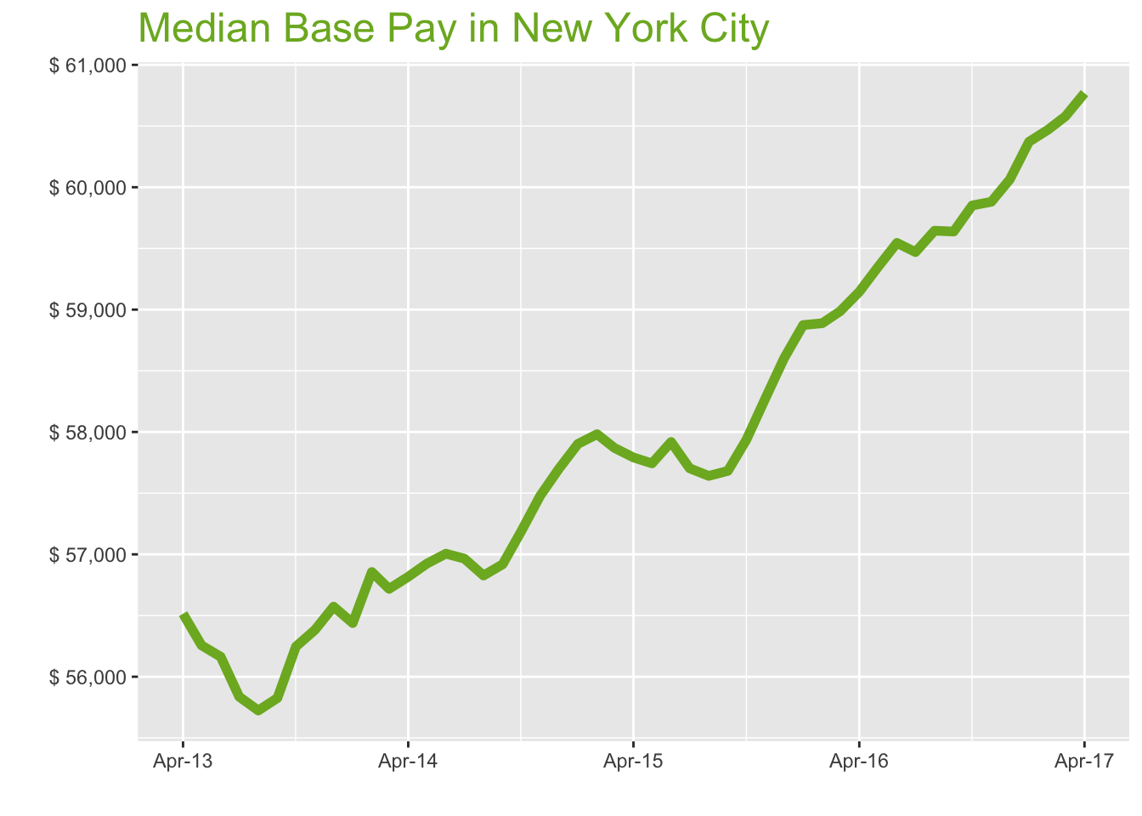
Apr-17

Job Title

Design
 | Median Base Pay | YoY
Graphic Designer | $57,277 | 2.10%
Education
 | Median Base Pay | YoY
Professor | $114,056 | 5.90%
Teacher | $63,224 | 2.60%
Engineering
 | Median Base Pay | YoY
Mechanical Engineer | $74,634 | 2.50%
Design Engineer | $78,547 | -0.20%
Electrical Engineer | $78,872 | 2.60%
Quality Engineer | $78,821 | 3.90%
Field Engineer | $75,945 | 2.40%
Finance
 | Median Base Pay | YoY
Financial Analyst | $76,667 | 1.90%
Accountant | $63,701 | 3.80%
Bank Teller | $31,921 | 5.70%
Tax Manager | $119,620 | 1.30%
Insurance Agent | $43,945 | 3.00%
Health
 | Median Base Pay | YoY
Registered Nurse | $84,951 | 4.10% | Year | Median Base Pay | YOY
Physical Therapist | $78,984 | 1.90% | 2017-04 | $60,769 | 2.7%
Pharmacy Technician | $29,851 | 3.60% | 2017-03 | $60,579 | 2.7%
Medical Assistant | $38,749 | 2.80% | 2017-02 | $60,470 | 2.7%
Physician | $287,684 | 2.70% | 2017-01 | $60,371 | 2.5%
Medical Technologist | $60,236 | 1.70% | 2016-12 | $60,064 | 2.5%
Emergency Medical Technician | $38,585 | 3.90% | 2016-11 | $59,881 | 2.8%
Human Resources |  |  | 2016-10 | $59,851 | 3.3%
 | Median Base Pay | YoY | 2016-09 | $59,638 | 3.4%
Recruiter | $61,587 | 7.00% | 2016-08 | $59,645 | 3.5%
Human Resources Manager | $85,322 | 1.50% | 2016-07 | $59,470 | 3.1%
Labor |  |  | 2016-06 | $59,545 | 2.8%
 | Median Base Pay | YoY | 2016-05 | $59,346 | 2.8%
Technician | $51,776 | 1.70% | 2016-04 | $59,146 | 2.3%
Warehouse Associate | $37,391 | 6.40% | 2016-03 | $58,987 | 1.9%
Truck Driver | $54,479 | 2.70% | 2016-02 | $58,889 | 1.6%
Machine Operator | $40,317 | 3.00% | 2016-01 | $58,874 | 1.7%
Construction Laborer | $46,971 | 2.00% | 2015-12 | $58,601 | 1.6%
Maintenance Worker | $40,292 | 0.50% | 2015-11 | $58,277 | 1.4%
Law |  |  | 2015-10 | $57,936 | 1.3%
 | Median Base Pay | YoY | 2015-09 | $57,682 | 1.3%
Attorney | $128,236 | 3.70% | 2015-08 | $57,641 | 1.4%
Paralegal | $56,209 | 0.80% | 2015-07 | $57,703 | 1.3%
Manufacturing |  |  | 2015-06 | $57,918 | 1.6%
 | Median Base Pay | YoY | 2015-05 | $57,743 | 1.4%
Production Manager | $76,765 | 2.60% | 2015-04 | $57,792 | 1.7%
Manufacturing Engineer | $74,872 | 3.60% | 2015-03 | $57,870 | 2.0%
Media |  |  | 2015-02 | $57,982 | 2.0%
 | Median Base Pay | YoY | 2015-01 | $57,903 | 2.6%
Producer | $77,515 | 2.30% | 2014-12 | $57,698 | 2.0%
Technical Editor | $62,668 | 2.70% | 2014-11 | $57,480 | 1.9%
Operations |  |  | 2014-10 | $57,187 | 1.7%
 | Median Base Pay | YoY | 2014-09 | $56,919 | 2.0%
Operations Manager | $77,642 | 4.10% | 2014-08 | $56,827 | 2.0%
Operations Analyst | $69,542 | 0.30% | 2014-07 | $56,965 | 2.0%
Professional Services |  |  | 2014-06 | $57,005 | 1.5%
 | Median Base Pay | YoY | 2014-05 | $56,924 | 1.2%
Consultant | $92,255 | 1.60% | 2014-04 | $56,817 | 0.5%
Project Manager | $86,452 | 1.90% | 2014-03 | $56,718
Business Analyst | $80,130 | 3.50% | 2014-02 | $56,856
Administrative Assistant | $49,039 | 3.70% | 2014-01 | $56,438
Marketing Manager | $84,378 | 1.80% | 2013-12 | $56,573
Product Manager | $107,145 | 2.30% | 2013-11 | $56,384
Customer Service Manager | $61,845 | 7.50% | 2013-10 | $56,246
Business Development Manager | $81,873 | 3.60% | 2013-09 | $55,826
Communications Manager | $82,084 | 2.00% | 2013-08 | $55,724
Real Estate |  |  | 2013-07 | $55,837
 | Median Base Pay | YoY | 2013-06 | $56,163
Property Manager | $68,700 | 2.40% | 2013-05 | $56,256
Food Services |  |  | 2013-04 | $56,515
 | Median Base Pay | YoY
Restaurant Cook | $31,517 | 5.50%
Retail
 | Median Base Pay | YoY
Store Manager | $58,553 | 6.70%
Cashier | $28,805 | 5.10%
Buyer | $74,413 | 3.50%
Retail Key Holder | $34,377 | 4.30%
Sales
 | Median Base Pay | YoY
Sales Representative | $55,841 | 4.20%
Sales Manager | $76,667 | 0.90%
Technology
 | Median Base Pay | YoY
Software Engineer | $105,340 | 3.80%
Programmer Analyst | $82,671 | 5.20%
Web Developer | $83,340 | 0.00%
Data Scientist | $112,989 | 1.20%
Data Analyst | $72,068 | 4.10%
Java Developer | $84,399 | 1.40%
Web Designer | $64,221 | 2.90%

New York City Quick Facts

 | Apr-17 | YoY
New York City Median Pay | $60,769 | 2.70%
U.S. Median Pay | $51,350 | 2.70%
Job Openings | 266,618 | 11.50%
 | Feb-17 | YoY
Labor Force Size* | 10,000,564 | -0.30%
Total Employment* | 9,530,131 | 0.20%
Unemployment Rate* | 4.70% | -0.50%

Industry

 | Median Base Pay
Accounting & Legal | $61,913
Aerospace & Defense | $64,797
Architecture & Civil Engineering | $62,557
Arts & Entertainment | $55,093
Automotive | $55,586
Banking & Financial Services | $60,522
Beauty & Fitness | $53,988
Biotech & Pharmaceuticals | $64,853
Business Services | $58,827
Computer Software & Hardware | $62,636
Construction | $62,059
Consulting | $61,979
Consumer Electronics | $52,509
Consumer Services | $54,288
Education & Schools | $55,318
Energy & Utilities | $67,385
Facilities | $55,301
Farming & Agriculture | $60,450
Government | $60,563
Health Care & Hospitals | $58,907
Information Technology | $60,288
Insurance | $60,348
Internet & Tech | $61,376
Manufacturing | $62,272
Marketing & Advertising | $57,553
Media & Publishing | $58,193
Nonprofit | $54,830
Private Security | $54,612
Real Estate | $58,322
Recruiting & Staffing | $57,638
Restaurants & Bars | $55,368
Retail | $55,288
Supermarkets | $56,312
Telecommunications | $59,361
Transportation & Logistics | $58,671
Travel & Tourism | $55,540
Wholesale | $59,197

Employer Size

 | Median Base Pay
<51 | $54,986
51-200 | $57,100
201-500 | $58,293
501-1000 | $59,268
1001-5000 | $60,657
5000+ | $61,738

ATL
Atlanta Metro

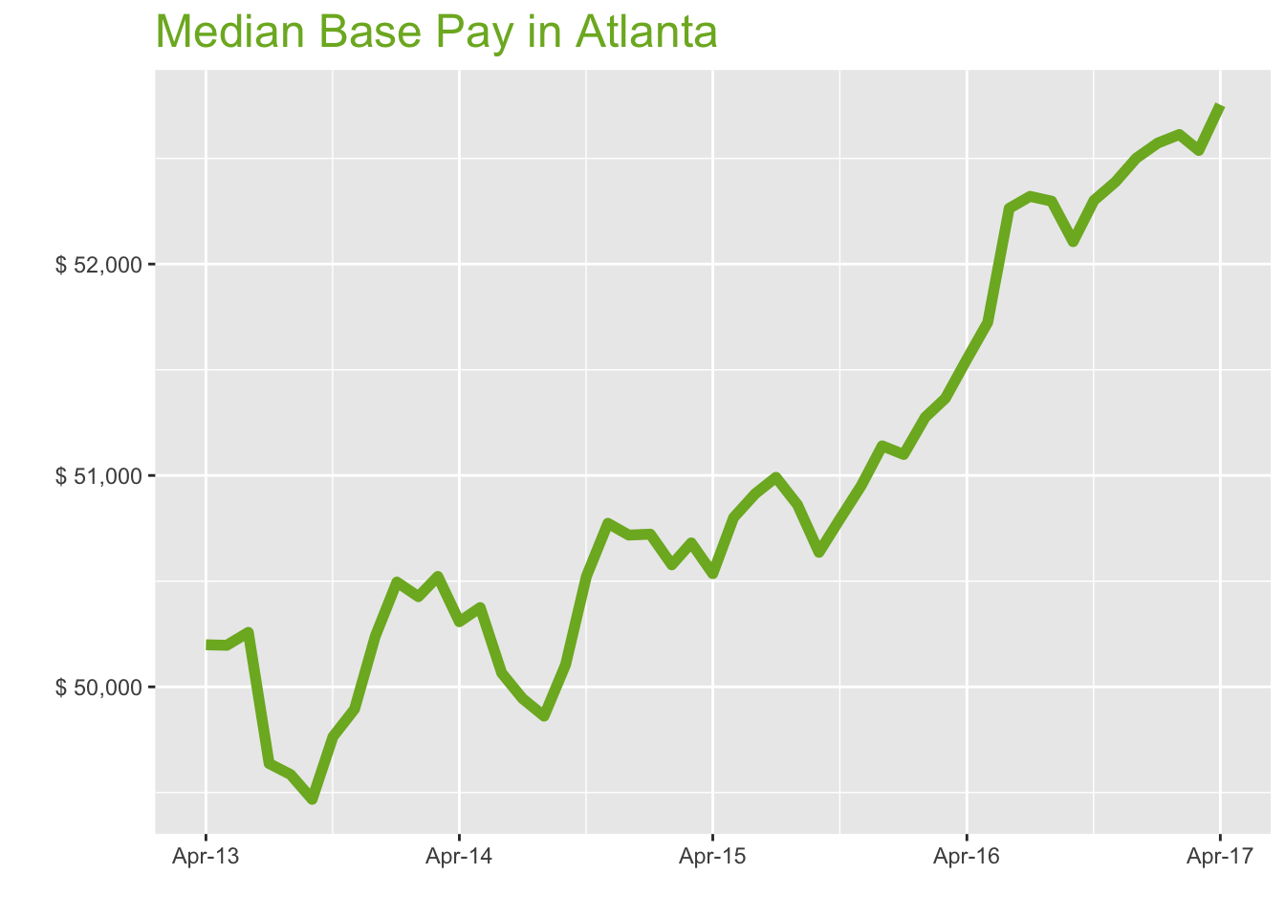
Apr-17

Job Title

Design
 | Median Base Pay | YoY
Graphic Designer | $49,404 | 1.70%
Education
 | Median Base Pay | YoY
Professor | $90,800 | 5.40%
Teacher | $47,799 | 2.20%
Engineering
 | Median Base Pay | YoY
Mechanical Engineer | $72,808 | 2.10%
Design Engineer | $71,121 | -0.60%
Electrical Engineer | $75,957 | 2.20%
Quality Engineer | $71,455 | 3.50%
Field Engineer | $67,122 | 1.90%
Finance
 | Median Base Pay | YoY
Financial Analyst | $64,004 | 1.50%
Accountant | $56,799 | 3.40%
Bank Teller | $29,671 | 5.20%
Tax Manager | $98,119 | 0.90%
Insurance Agent | $39,432 | 2.60%
Health
 | Median Base Pay | YoY
Registered Nurse | $64,421 | 3.70% | Year | Median Base Pay | YOY
Physical Therapist | $75,912 | 1.50% | 2017-04 | $52,754 | 2.3%
Pharmacy Technician | $28,671 | 3.20% | 2017-03 | $52,538 | 2.3%
Medical Assistant | $34,503 | 2.40% | 2017-02 | $52,613 | 2.6%
Physician | $249,740 | 2.30% | 2017-01 | $52,573 | 2.9%
Medical Technologist | $55,472 | 1.30% | 2016-12 | $52,501 | 2.7%
Emergency Medical Technician | $36,352 | 3.50% | 2016-11 | $52,389 | 2.8%
Human Resources |  |  | 2016-10 | $52,301 | 3.0%
 | Median Base Pay | YoY | 2016-09 | $52,106 | 2.9%
Recruiter | $52,265 | 6.60% | 2016-08 | $52,298 | 2.8%
Human Resources Manager | $75,296 | 1.10% | 2016-07 | $52,320 | 2.6%
Labor |  |  | 2016-06 | $52,264 | 2.7%
 | Median Base Pay | YoY | 2016-05 | $51,724 | 1.8%
Technician | $44,763 | 1.30% | 2016-04 | $51,550 | 2.0%
Warehouse Associate | $37,872 | 6.00% | 2016-03 | $51,365 | 1.3%
Truck Driver | $48,602 | 2.30% | 2016-02 | $51,275 | 1.4%
Machine Operator | $36,859 | 2.60% | 2016-01 | $51,099 | 0.7%
Construction Laborer | $35,694 | 1.60% | 2015-12 | $51,140 | 0.8%
Maintenance Worker | $37,404 | 0.10% | 2015-11 | $50,953 | 0.4%
Law |  |  | 2015-10 | $50,793 | 0.5%
 | Median Base Pay | YoY | 2015-09 | $50,636 | 1.1%
Attorney | $105,237 | 3.30% | 2015-08 | $50,861 | 2.0%
Paralegal | $52,235 | 0.30% | 2015-07 | $50,991 | 2.1%
Manufacturing |  |  | 2015-06 | $50,913 | 1.7%
 | Median Base Pay | YoY | 2015-05 | $50,801 | 0.8%
Production Manager | $67,297 | 2.20% | 2015-04 | $50,535 | 0.5%
Manufacturing Engineer | $73,305 | 3.20% | 2015-03 | $50,681 | 0.3%
Media |  |  | 2015-02 | $50,577 | 0.3%
 | Median Base Pay | YoY | 2015-01 | $50,722 | 0.4%
Producer | $61,323 | 1.90% | 2014-12 | $50,718 | 1.0%
Technical Editor | $54,403 | 2.30% | 2014-11 | $50,774 | 1.8%
Operations |  |  | 2014-10 | $50,523 | 1.5%
 | Median Base Pay | YoY | 2014-09 | $50,105 | 1.3%
Operations Manager | $70,405 | 3.70% | 2014-08 | $49,862 | 0.6%
Operations Analyst | $55,765 | -0.10% | 2014-07 | $49,945 | 0.6%
Professional Services |  |  | 2014-06 | $50,065 | -0.4%
 | Median Base Pay | YoY | 2014-05 | $50,375 | 0.4%
Consultant | $85,251 | 1.20% | 2014-04 | $50,308 | 0.2%
Project Manager | $77,986 | 1.50% | 2014-03 | $50,522
Business Analyst | $71,167 | 3.10% | 2014-02 | $50,427
Administrative Assistant | $40,885 | 3.30% | 2014-01 | $50,496
Marketing Manager | $75,336 | 1.40% | 2013-12 | $50,240
Product Manager | $95,234 | 1.90% | 2013-11 | $49,895
Customer Service Manager | $55,454 | 7.00% | 2013-10 | $49,764
Business Development Manager | $73,306 | 3.20% | 2013-09 | $49,468
Communications Manager | $73,524 | 1.60% | 2013-08 | $49,585
Real Estate |  |  | 2013-07 | $49,637
 | Median Base Pay | YoY | 2013-06 | $50,258
Property Manager | $55,635 | 2.00% | 2013-05 | $50,197
Food Services |  |  | 2013-04 | $50,199
 | Median Base Pay | YoY
Restaurant Cook | $26,792 | 5.10%
Retail
 | Median Base Pay | YoY
Store Manager | $50,401 | 6.30%
Cashier | $26,158 | 4.70%
Buyer | $59,863 | 3.10%
Retail Key Holder | $30,477 | 3.90%
Sales
 | Median Base Pay | YoY
Sales Representative | $48,935 | 3.80%
Sales Manager | $66,030 | 0.50%
Technology
 | Median Base Pay | YoY
Software Engineer | $84,842 | 3.40%
Programmer Analyst | $73,772 | 4.80%
Web Developer | $74,224 | -0.40%
Data Scientist | $94,337 | 0.80%
Data Analyst | $65,457 | 3.60%
Java Developer | $77,148 | 1.00%
Web Designer | $57,504 | 2.50%

Atlanta Quick Facts

 | Apr-17 | YoY
Atlanta Median Pay | $52,754 | 2.30%
U.S. Median Pay | $51,350 | 2.70%
Job Openings | 101,741 | 20.30%
 | Feb-17 | YoY
Labor Force Size* | 3,001,947 | 3.40%
Total Employment* | 2,855,099 | 3.60%
Unemployment Rate* | 4.90% | -0.30%

Industry

 | Median Base Pay
Accounting & Legal | $53,849
Aerospace & Defense | $56,357
Architecture & Civil Engineering | $54,409
Arts & Entertainment | $47,917
Automotive | $48,346
Banking & Financial Services | $52,639
Beauty & Fitness | $46,956
Biotech & Pharmaceuticals | $56,406
Business Services | $51,165
Computer Software & Hardware | $54,477
Construction | $53,976
Consulting | $53,906
Consumer Electronics | $45,670
Consumer Services | $47,216
Education & Schools | $48,113
Energy & Utilities | $58,608
Facilities | $48,098
Farming & Agriculture | $52,576
Government | $52,675
Health Care & Hospitals | $51,234
Information Technology | $52,435
Insurance | $52,488
Internet & Tech | $53,382
Manufacturing | $54,161
Marketing & Advertising | $50,057
Media & Publishing | $50,613
Nonprofit | $47,689
Private Security | $47,498
Real Estate | $50,726
Recruiting & Staffing | $50,131
Restaurants & Bars | $48,156
Retail | $48,087
Supermarkets | $48,977
Telecommunications | $51,629
Transportation & Logistics | $51,029
Travel & Tourism | $48,306
Wholesale | $51,486

Employer Size

 | Median Base Pay
<51 | $47,824
51-200 | $49,663
201-500 | $50,700
501-1000 | $51,548
1001-5000 | $52,756
5000+ | $53,697

BOS
Boston Metro

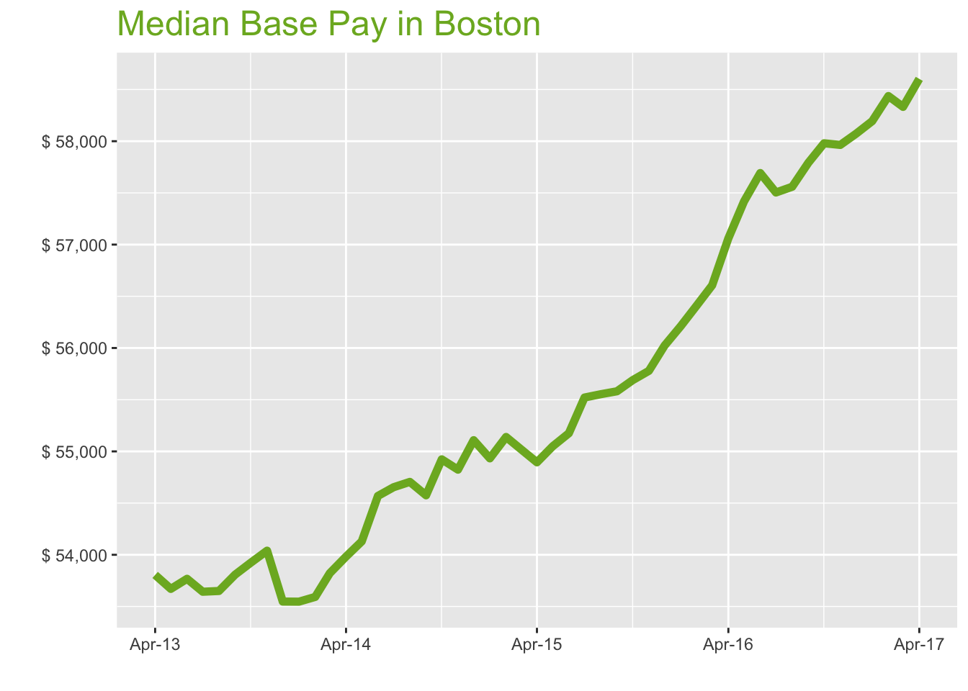
Apr-17

Job Title

Design
 | Median Base Pay | YoY
Graphic Designer | $54,248 | 2.10%
Education
 | Median Base Pay | YoY
Professor | $123,291 | 5.80%
Teacher | $57,132 | 2.50%
Engineering
 | Median Base Pay | YoY
Mechanical Engineer | $81,024 | 2.50%
Design Engineer | $87,569 | -0.20%
Electrical Engineer | $85,167 | 2.60%
Quality Engineer | $86,864 | 3.90%
Field Engineer | $73,760 | 2.30%
Finance
 | Median Base Pay | YoY
Financial Analyst | $68,004 | 1.90%
Accountant | $62,961 | 3.70%
Bank Teller | $32,027 | 5.60%
Tax Manager | $105,435 | 1.20%
Insurance Agent | $46,812 | 3.00%
Health
 | Median Base Pay | YoY
Registered Nurse | $76,720 | 4.00% | Year | Median Base Pay | YOY
Physical Therapist | $75,302 | 1.80% | 2017-04 | $58,603 | 2.7%
Pharmacy Technician | $31,791 | 3.60% | 2017-03 | $58,332 | 3.0%
Medical Assistant | $40,348 | 2.70% | 2017-02 | $58,437 | 3.6%
Physician | $277,430 | 2.70% | 2017-01 | $58,194 | 3.5%
Medical Technologist | $61,425 | 1.70% | 2016-12 | $58,072 | 3.7%
Emergency Medical Technician | $41,759 | 3.90% | 2016-11 | $57,964 | 3.9%
Human Resources |  |  | 2016-10 | $57,980 | 4.1%
 | Median Base Pay | YoY | 2016-09 | $57,792 | 4.0%
Recruiter | $58,279 | 7.00% | 2016-08 | $57,559 | 3.6%
Human Resources Manager | $83,956 | 1.50% | 2016-07 | $57,504 | 3.6%
Labor |  |  | 2016-06 | $57,692 | 4.6%
 | Median Base Pay | YoY | 2016-05 | $57,418 | 4.3%
Technician | $48,087 | 1.70% | 2016-04 | $57,061 | 3.9%
Warehouse Associate | $45,559 | 6.40% | 2016-03 | $56,606 | 2.9%
Truck Driver | $58,600 | 2.70% | 2016-02 | $56,414 | 2.3%
Machine Operator | $42,849 | 2.90% | 2016-01 | $56,212 | 2.3%
Construction Laborer | $48,586 | 2.00% | 2015-12 | $56,023 | 1.7%
Maintenance Worker | $45,821 | 0.40% | 2015-11 | $55,779 | 1.7%
Law |  |  | 2015-10 | $55,689 | 1.4%
 | Median Base Pay | YoY | 2015-09 | $55,581 | 1.8%
Attorney | $108,624 | 3.60% | 2015-08 | $55,553 | 1.6%
Paralegal | $56,586 | 0.70% | 2015-07 | $55,521 | 1.6%
Manufacturing |  |  | 2015-06 | $55,175 | 1.1%
 | Median Base Pay | YoY | 2015-05 | $55,049 | 1.7%
Production Manager | $69,917 | 2.60% | 2015-04 | $54,894 | 1.7%
Manufacturing Engineer | $78,562 | 3.60% | 2015-03 | $55,023 | 2.2%
Media |  |  | 2015-02 | $55,139 | 2.9%
 | Median Base Pay | YoY | 2015-01 | $54,933 | 2.6%
Producer | $65,647 | 2.20% | 2014-12 | $55,108 | 2.9%
Technical Editor | $60,435 | 2.70% | 2014-11 | $54,823 | 1.5%
Operations |  |  | 2014-10 | $54,923 | 1.9%
 | Median Base Pay | YoY | 2014-09 | $54,575 | 1.4%
Operations Manager | $76,209 | 4.10% | 2014-08 | $54,705 | 2.0%
Operations Analyst | $58,115 | 0.30% | 2014-07 | $54,654 | 1.9%
Professional Services |  |  | 2014-06 | $54,569 | 1.5%
 | Median Base Pay | YoY | 2014-05 | $54,129 | 0.9%
Consultant | $94,103 | 1.50% | 2014-04 | $53,983 | 0.3%
Project Manager | $83,106 | 1.90% | 2014-03 | $53,822
Business Analyst | $74,884 | 3.40% | 2014-02 | $53,592
Administrative Assistant | $49,604 | 3.60% | 2014-01 | $53,547
Marketing Manager | $82,754 | 1.70% | 2013-12 | $53,548
Product Manager | $105,152 | 2.30% | 2013-11 | $54,040
Customer Service Manager | $61,866 | 7.40% | 2013-10 | $53,924
Business Development Manager | $79,134 | 3.50% | 2013-09 | $53,808
Communications Manager | $79,047 | 1.90% | 2013-08 | $53,650
Real Estate |  |  | 2013-07 | $53,643
 | Median Base Pay | YoY | 2013-06 | $53,768
Property Manager | $65,951 | 2.40% | 2013-05 | $53,670
Food Services |  |  | 2013-04 | $53,805
 | Median Base Pay | YoY
Restaurant Cook | $33,132 | 5.50%
Retail
 | Median Base Pay | YoY
Store Manager | $57,642 | 6.70%
Cashier | $30,066 | 5.10%
Buyer | $62,134 | 3.50%
Retail Key Holder | $34,295 | 4.30%
Sales
 | Median Base Pay | YoY
Sales Representative | $56,075 | 4.10%
Sales Manager | $75,988 | 0.80%
Technology
 | Median Base Pay | YoY
Software Engineer | $96,658 | 3.80%
Programmer Analyst | $78,022 | 5.20%
Web Developer | $82,837 | 0.00%
Data Scientist | $109,379 | 1.20%
Data Analyst | $70,526 | 4.00%
Java Developer | $90,837 | 1.40%
Web Designer | $62,893 | 2.90%

Boston Quick Facts

 | Apr-17 | YoY
Boston Median Pay | $58,603 | 2.70%
U.S. Median Pay | $51,350 | 2.70%
Job Openings | 129,520 | 15.80%
 | Feb-17 | YoY
Labor Force Size* | 2,687,717 | 1.80%
Total Employment* | 2,588,735 | 2.20%
Unemployment Rate* | 3.70% | -0.30%

Industry

 | Median Base Pay
Accounting & Legal | $59,686
Aerospace & Defense | $62,466
Architecture & Civil Engineering | $60,306
Arts & Entertainment | $53,111
Automotive | $53,586
Banking & Financial Services | $58,345
Beauty & Fitness | $52,046
Biotech & Pharmaceuticals | $62,520
Business Services | $56,710
Computer Software & Hardware | $60,382
Construction | $59,826
Consulting | $59,749
Consumer Electronics | $50,620
Consumer Services | $52,334
Education & Schools | $53,328
Energy & Utilities | $64,960
Facilities | $53,312
Farming & Agriculture | $58,275
Government | $58,385
Health Care & Hospitals | $56,788
Information Technology | $58,119
Insurance | $58,177
Internet & Tech | $59,168
Manufacturing | $60,032
Marketing & Advertising | $55,483
Media & Publishing | $56,099
Nonprofit | $52,858
Private Security | $52,647
Real Estate | $56,224
Recruiting & Staffing | $55,565
Restaurants & Bars | $53,376
Retail | $53,299
Supermarkets | $54,286
Telecommunications | $57,225
Transportation & Logistics | $56,560
Travel & Tourism | $53,542
Wholesale | $57,067

Employer Size

 | Median Base Pay
<51 | $53,007
51-200 | $55,046
201-500 | $56,196
501-1000 | $57,135
1001-5000 | $58,474
5000+ | $59,517

PHILA
Philadelphia Metro

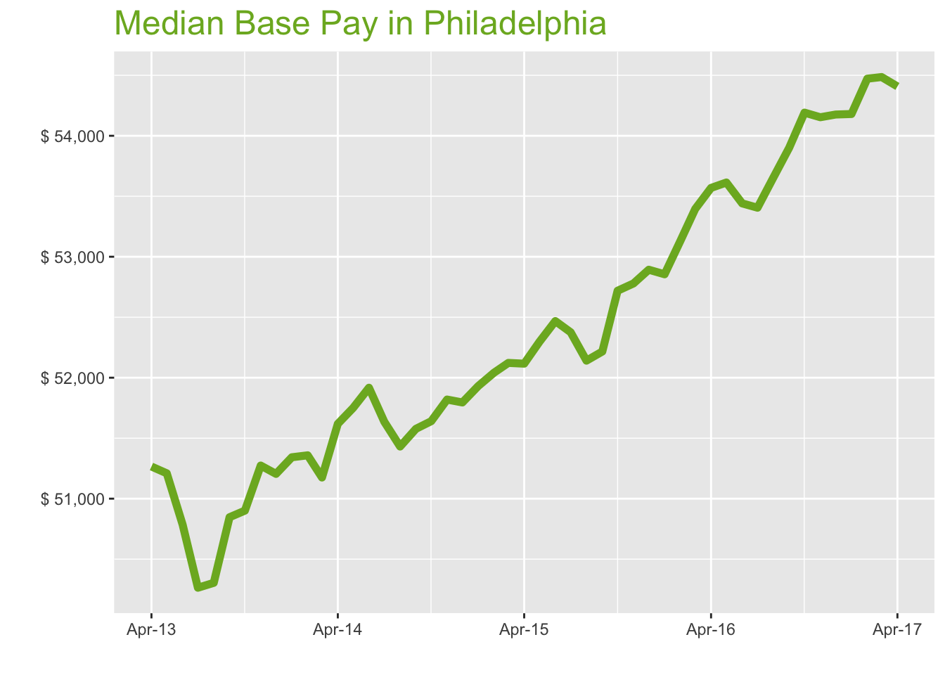
Apr-17

Job Title

Design
 | Median Base Pay | YoY
Graphic Designer | $48,179 | 1.00%
Education
 | Median Base Pay | YoY
Professor | $99,672 | 4.70%
Teacher | $50,683 | 1.40%
Engineering
 | Median Base Pay | YoY
Mechanical Engineer | $76,417 | 1.30%
Design Engineer | $75,487 | -1.30%
Electrical Engineer | $80,555 | 1.40%
Quality Engineer | $76,121 | 2.80%
Field Engineer | $69,290 | 1.20%
Finance
 | Median Base Pay | YoY
Financial Analyst | $63,167 | 0.70%
Accountant | $58,930 | 2.60%
Bank Teller | $29,491 | 4.50%
Tax Manager | $101,785 | 0.10%
Insurance Agent | $45,254 | 1.80%
Health
 | Median Base Pay | YoY
Registered Nurse | $72,684 | 2.90% | Year | Median Base Pay | YOY
Physical Therapist | $79,702 | 0.70% | 2017-04 | $54,408 | 1.6%
Pharmacy Technician | $28,333 | 2.40% | 2017-03 | $54,486 | 2.0%
Medical Assistant | $36,056 | 1.60% | 2017-02 | $54,472 | 2.5%
Physician | $257,572 | 1.60% | 2017-01 | $54,180 | 2.5%
Medical Technologist | $58,234 | 0.50% | 2016-12 | $54,176 | 2.4%
Emergency Medical Technician | $37,284 | 2.80% | 2016-11 | $54,153 | 2.6%
Human Resources |  |  | 2016-10 | $54,191 | 2.8%
 | Median Base Pay | YoY | 2016-09 | $53,901 | 3.2%
Recruiter | $52,931 | 5.80% | 2016-08 | $53,654 | 2.9%
Human Resources Manager | $76,262 | 0.30% | 2016-07 | $53,405 | 2.0%
Labor |  |  | 2016-06 | $53,441 | 1.9%
 | Median Base Pay | YoY | 2016-05 | $53,614 | 2.5%
Technician | $47,954 | 0.60% | 2016-04 | $53,569 | 2.8%
Warehouse Associate | $42,300 | 5.20% | 2016-03 | $53,395 | 2.4%
Truck Driver | $53,873 | 1.60% | 2016-02 | $53,132 | 2.1%
Machine Operator | $43,890 | 1.80% | 2016-01 | $52,855 | 1.8%
Construction Laborer | $43,918 | 0.90% | 2015-12 | $52,893 | 2.1%
Maintenance Worker | $37,986 | -0.60% | 2015-11 | $52,779 | 1.9%
Law |  |  | 2015-10 | $52,719 | 2.1%
 | Median Base Pay | YoY | 2015-09 | $52,216 | 1.2%
Attorney | $109,401 | 2.50% | 2015-08 | $52,141 | 1.4%
Paralegal | $50,633 | -0.40% | 2015-07 | $52,376 | 1.4%
Manufacturing |  |  | 2015-06 | $52,468 | 1.1%
 | Median Base Pay | YoY | 2015-05 | $52,297 | 1.1%
Production Manager | $66,341 | 1.40% | 2015-04 | $52,116 | 1.0%
Manufacturing Engineer | $73,468 | 2.40% | 2015-03 | $52,122 | 1.9%
Media |  |  | 2015-02 | $52,042 | 1.3%
 | Median Base Pay | YoY | 2015-01 | $51,931 | 1.1%
Producer | $56,036 | 1.10% | 2014-12 | $51,795 | 1.2%
Technical Editor | $56,109 | 1.60% | 2014-11 | $51,819 | 1.1%
Operations |  |  | 2014-10 | $51,641 | 1.5%
 | Median Base Pay | YoY | 2014-09 | $51,577 | 1.4%
Operations Manager | $71,822 | 2.90% | 2014-08 | $51,431 | 2.2%
Operations Analyst | $58,761 | -0.80% | 2014-07 | $51,636 | 2.7%
Professional Services |  |  | 2014-06 | $51,917 | 2.2%
 | Median Base Pay | YoY | 2014-05 | $51,750 | 1.1%
Consultant | $81,708 | 0.40% | 2014-04 | $51,619 | 0.7%
Project Manager | $77,942 | 0.80% | 2014-03 | $51,175
Business Analyst | $68,948 | 2.30% | 2014-02 | $51,358
Administrative Assistant | $42,207 | 2.50% | 2014-01 | $51,342
Marketing Manager | $77,847 | 0.60% | 2013-12 | $51,205
Product Manager | $92,592 | 1.20% | 2013-11 | $51,274
Customer Service Manager | $58,116 | 6.20% | 2013-10 | $50,901
Business Development Manager | $71,147 | 2.40% | 2013-09 | $50,847
Communications Manager | $72,217 | 0.80% | 2013-08 | $50,304
Real Estate |  |  | 2013-07 | $50,264
 | Median Base Pay | YoY | 2013-06 | $50,786
Property Manager | $61,235 | 1.30% | 2013-05 | $51,210
Food Services |  |  | 2013-04 | $51,266
 | Median Base Pay | YoY
Restaurant Cook | $30,173 | 4.30%
Retail
 | Median Base Pay | YoY
Store Manager | $53,166 | 5.50%
Cashier | $27,017 | 3.90%
Buyer | $60,774 | 2.30%
Retail Key Holder | $31,247 | 3.10%
Sales
 | Median Base Pay | YoY
Sales Representative | $50,341 | 3.00%
Sales Manager | $66,567 | -0.30%
Technology
 | Median Base Pay | YoY
Software Engineer | $86,257 | 2.60%
Programmer Analyst | $72,971 | 4.00%
Web Developer | $68,840 | -1.10%
Data Scientist | $100,609 | 0.00%
Data Analyst | $62,883 | 2.90%
Java Developer | $79,951 | 0.20%
Web Designer | $55,672 | 1.70%

Philadelphia Quick Facts

 | Apr-17 | YoY
Philadelphia Median Pay | $54,408 | 1.60%
U.S. Median Pay | $51,350 | 2.70%
Job Openings | 106,761 | 21.00%
 | Feb-17 | YoY
Labor Force Size* | 3,090,370 | 0.50%
Total Employment* | 2,939,309 | 0.80%
Unemployment Rate* | 4.90% | -0.30%

Industry

 | Median Base Pay
Accounting & Legal | $54,683
Aerospace & Defense | $57,230
Architecture & Civil Engineering | $55,252
Arts & Entertainment | $48,660
Automotive | $49,095
Banking & Financial Services | $53,454
Beauty & Fitness | $47,683
Biotech & Pharmaceuticals | $57,280
Business Services | $51,957
Computer Software & Hardware | $55,321
Construction | $54,812
Consulting | $54,741
Consumer Electronics | $46,377
Consumer Services | $47,948
Education & Schools | $48,858
Energy & Utilities | $59,516
Facilities | $48,843
Farming & Agriculture | $53,391
Government | $53,491
Health Care & Hospitals | $52,028
Information Technology | $53,248
Insurance | $53,301
Internet & Tech | $54,209
Manufacturing | $55,000
Marketing & Advertising | $50,833
Media & Publishing | $51,397
Nonprofit | $48,427
Private Security | $48,234
Real Estate | $51,511
Recruiting & Staffing | $50,908
Restaurants & Bars | $48,902
Retail | $48,832
Supermarkets | $49,736
Telecommunications | $52,429
Transportation & Logistics | $51,820
Travel & Tourism | $49,054
Wholesale | $52,284

Employer Size

 | Median Base Pay
<51 | $48,565
51-200 | $50,432
201-500 | $51,486
501-1000 | $52,346
1001-5000 | $53,573
5000+ | $54,529

SEA
Seattle Metro

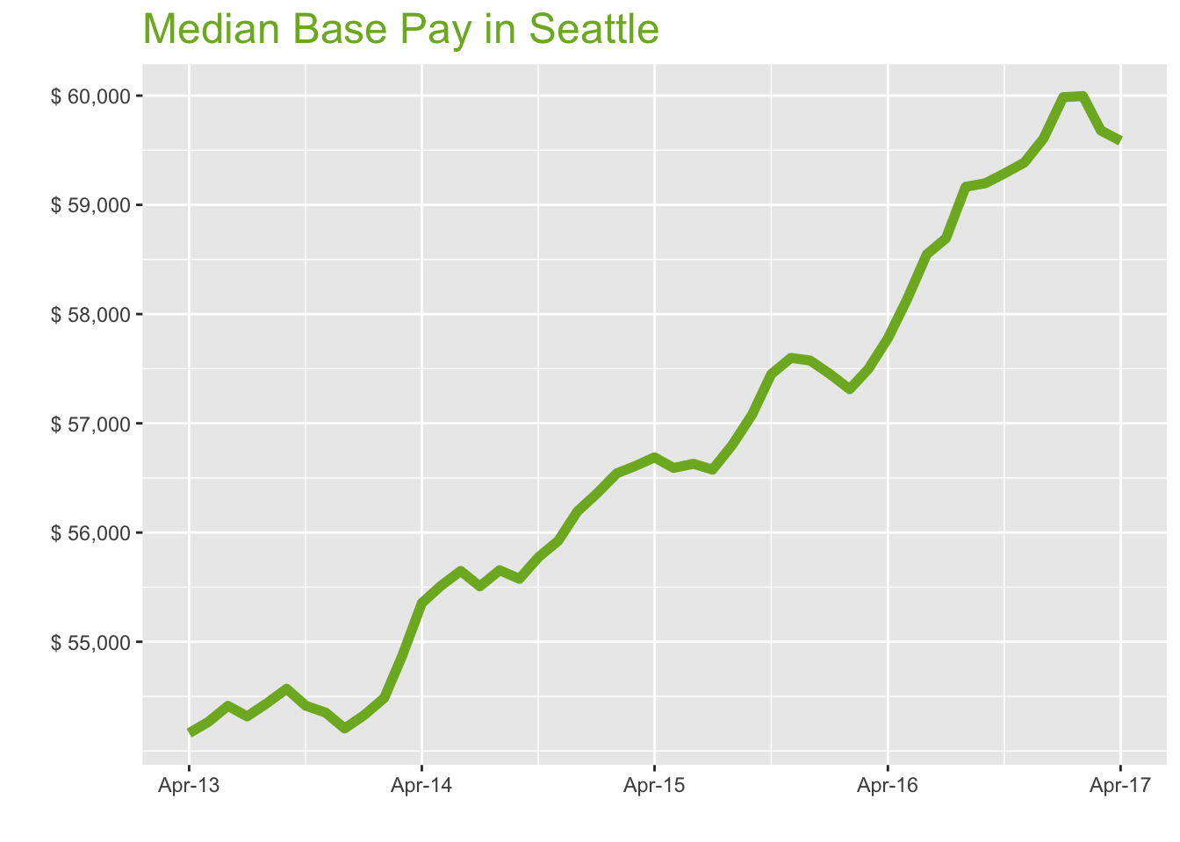
Apr-17

Job Title

Design
 | Median Base Pay | YoY
Graphic Designer | $57,210 | 2.50%
Education
 | Median Base Pay | YoY
Professor | $100,323 | 6.30%
Teacher | $53,398 | 3.00%
Engineering
 | Median Base Pay | YoY
Mechanical Engineer | $83,071 | 2.90%
Design Engineer | $82,642 | 0.20%
Electrical Engineer | $89,126 | 3.00%
Quality Engineer | $84,849 | 4.30%
Field Engineer | $73,163 | 2.70%
Finance
 | Median Base Pay | YoY
Financial Analyst | $71,979 | 2.30%
Accountant | $62,278 | 4.20%
Bank Teller | $31,628 | 6.10%
Tax Manager | $102,687 | 1.70%
Insurance Agent | $41,720 | 3.40%
Health
 | Median Base Pay | YoY
Registered Nurse | $77,390 | 4.50% | Year | Median Base Pay | YOY
Physical Therapist | $76,758 | 2.20% | 2017-04 | $59,585 | 3.1%
Pharmacy Technician | $39,937 | 4.00% | 2017-03 | $59,681 | 3.8%
Medical Assistant | $44,097 | 3.20% | 2017-02 | $59,996 | 4.7%
Physician | $282,080 | 3.10% | 2017-01 | $59,986 | 4.4%
Medical Technologist | $63,293 | 2.10% | 2016-12 | $59,607 | 3.5%
Emergency Medical Technician | $40,579 | 4.30% | 2016-11 | $59,387 | 3.1%
Human Resources |  |  | 2016-10 | $59,288 | 3.2%
 | Median Base Pay | YoY | 2016-09 | $59,198 | 3.7%
Recruiter | $61,297 | 7.40% | 2016-08 | $59,165 | 4.2%
Human Resources Manager | $84,167 | 1.90% | 2016-07 | $58,693 | 3.7%
Labor |  |  | 2016-06 | $58,547 | 3.4%
 | Median Base Pay | YoY | 2016-05 | $58,134 | 2.7%
Technician | $52,159 | 2.10% | 2016-04 | $57,778 | 1.9%
Warehouse Associate | $46,323 | 6.80% | 2016-03 | $57,494 | 1.6%
Truck Driver | $52,487 | 3.10% | 2016-02 | $57,313 | 1.4%
Machine Operator | $44,952 | 3.30% | 2016-01 | $57,451 | 1.9%
Construction Laborer | $51,561 | 2.40% | 2015-12 | $57,575 | 2.5%
Maintenance Worker | $46,410 | 0.90% | 2015-11 | $57,599 | 3.0%
Law |  |  | 2015-10 | $57,450 | 3.0%
 | Median Base Pay | YoY | 2015-09 | $57,079 | 2.7%
Attorney | $113,203 | 4.10% | 2015-08 | $56,802 | 2.1%
Paralegal | $60,890 | 1.10% | 2015-07 | $56,576 | 1.9%
Manufacturing |  |  | 2015-06 | $56,629 | 1.8%
 | Median Base Pay | YoY | 2015-05 | $56,591 | 1.9%
Production Manager | $70,490 | 3.00% | 2015-04 | $56,688 | 2.4%
Manufacturing Engineer | $78,615 | 4.00% | 2015-03 | $56,607 | 3.2%
Media |  |  | 2015-02 | $56,543 | 3.8%
 | Median Base Pay | YoY | 2015-01 | $56,359 | 3.7%
Producer | $75,187 | 2.70% | 2014-12 | $56,193 | 3.7%
Technical Editor | $78,901 | 3.10% | 2014-11 | $55,924 | 2.9%
Operations |  |  | 2014-10 | $55,775 | 2.5%
 | Median Base Pay | YoY | 2014-09 | $55,576 | 1.8%
Operations Manager | $76,914 | 4.50% | 2014-08 | $55,655 | 2.2%
Operations Analyst | $64,495 | 0.70% | 2014-07 | $55,507 | 2.2%
Professional Services |  |  | 2014-06 | $55,648 | 2.3%
 | Median Base Pay | YoY | 2014-05 | $55,513 | 2.3%
Consultant | $88,940 | 2.00% | 2014-04 | $55,354 | 2.2%
Project Manager | $84,510 | 2.30% | 2014-03 | $54,868
Business Analyst | $76,492 | 3.90% | 2014-02 | $54,485
Administrative Assistant | $48,029 | 4.10% | 2014-01 | $54,330
Marketing Manager | $87,586 | 2.20% | 2013-12 | $54,207
Product Manager | $108,442 | 2.70% | 2013-11 | $54,352
Customer Service Manager | $62,020 | 7.90% | 2013-10 | $54,414
Business Development Manager | $83,927 | 4.00% | 2013-09 | $54,570
Communications Manager | $83,861 | 2.40% | 2013-08 | $54,438
Real Estate |  |  | 2013-07 | $54,317
 | Median Base Pay | YoY | 2013-06 | $54,413
Property Manager | $62,447 | 2.80% | 2013-05 | $54,266
Food Services |  |  | 2013-04 | $54,164
 | Median Base Pay | YoY
Restaurant Cook | $33,838 | 5.90%
Retail
 | Median Base Pay | YoY
Store Manager | $56,907 | 7.10%
Cashier | $33,905 | 5.50%
Buyer | $71,205 | 3.90%
Retail Key Holder | $34,411 | 4.70%
Sales
 | Median Base Pay | YoY
Sales Representative | $52,629 | 4.60%
Sales Manager | $72,315 | 1.30%
Technology
 | Median Base Pay | YoY
Software Engineer | $109,991 | 4.20%
Programmer Analyst | $85,260 | 5.60%
Web Developer | $84,708 | 0.40%
Data Scientist | $121,590 | 1.60%
Data Analyst | $72,316 | 4.40%
Java Developer | $87,548 | 1.80%
Web Designer | $61,805 | 3.30%

Seattle Quick Facts

 | Apr-17 | YoY
Seattle Median Pay | $59,585 | 3.10%
U.S. Median Pay | $51,350 | 2.70%
Job Openings | 108,404 | 20.30%
 | Feb-17 | YoY
Labor Force Size* | 2,066,002 | 2.60%
Total Employment* | 1,984,623 | 3.60%
Unemployment Rate* | 3.90% | -1.00%

Industry

 | Median Base Pay
Accounting & Legal | $60,390
Aerospace & Defense | $63,202
Architecture & Civil Engineering | $61,018
Arts & Entertainment | $53,738
Automotive | $54,218
Banking & Financial Services | $59,033
Beauty & Fitness | $52,660
Biotech & Pharmaceuticals | $63,257
Business Services | $57,379
Computer Software & Hardware | $61,094
Construction | $60,532
Consulting | $60,453
Consumer Electronics | $51,217
Consumer Services | $52,952
Education & Schools | $53,957
Energy & Utilities | $65,727
Facilities | $53,940
Farming & Agriculture | $58,962
Government | $59,073
Health Care & Hospitals | $57,458
Information Technology | $58,805
Insurance | $58,864
Internet & Tech | $59,866
Manufacturing | $60,740
Marketing & Advertising | $56,137
Media & Publishing | $56,761
Nonprofit | $53,481
Private Security | $53,268
Real Estate | $56,887
Recruiting & Staffing | $56,220
Restaurants & Bars | $54,005
Retail | $53,928
Supermarkets | $54,926
Telecommunications | $57,900
Transportation & Logistics | $57,228
Travel & Tourism | $54,173
Wholesale | $57,740

Employer Size

 | Median Base Pay
<51 | $53,633
51-200 | $55,695
201-500 | $56,858
501-1000 | $57,809
1001-5000 | $59,164
5000+ | $60,219

DC
Washington DC Metro

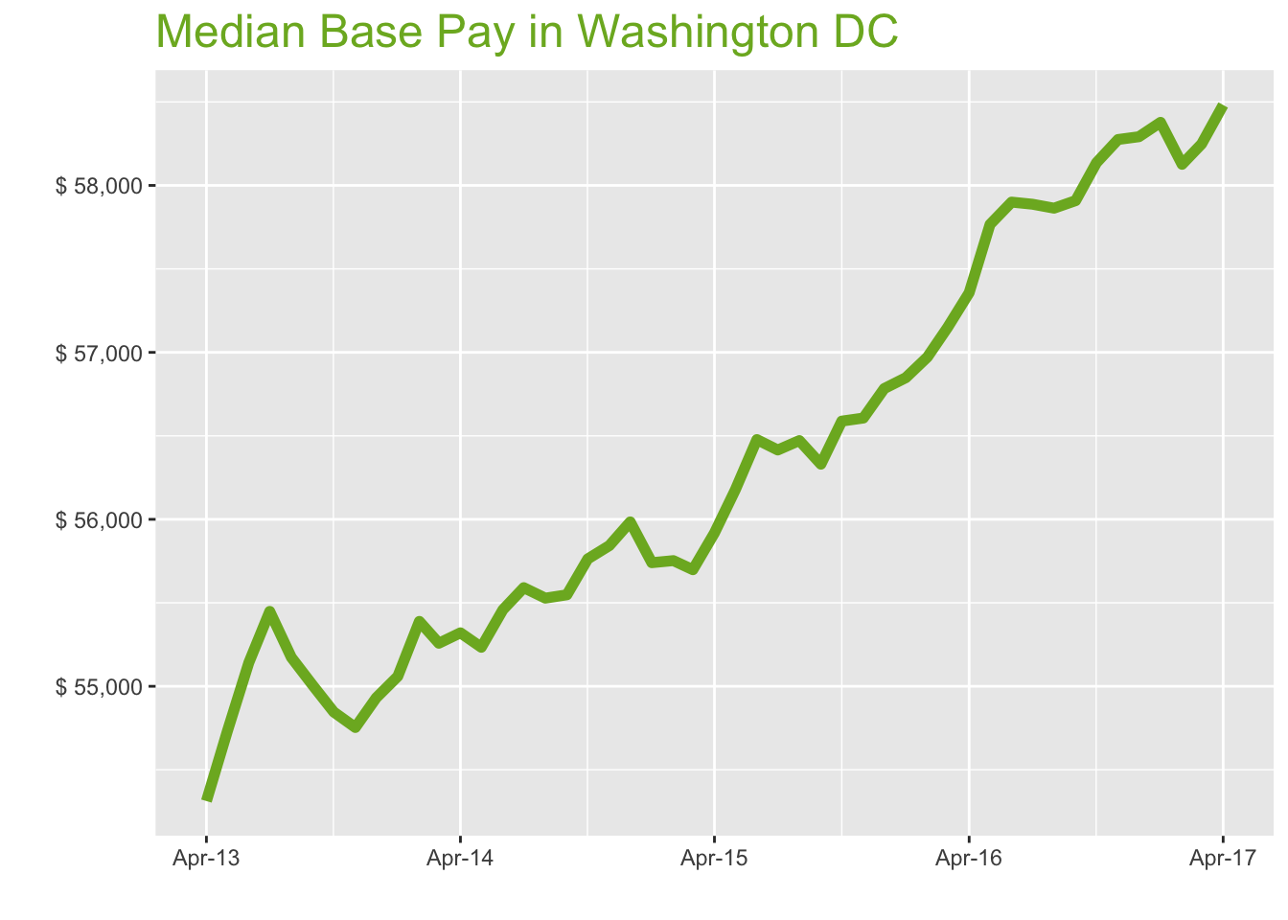
Apr-17

Job Title

Design
 | Median Base Pay | YoY
Graphic Designer | $53,432 | 1.40%
Education
 | Median Base Pay | YoY
Professor | $102,438 | 5.10%
Teacher | $57,564 | 1.80%
Engineering
 | Median Base Pay | YoY
Mechanical Engineer | $78,056 | 1.70%
Design Engineer | $80,148 | -1.00%
Electrical Engineer | $85,140 | 1.90%
Quality Engineer | $78,240 | 3.20%
Field Engineer | $72,251 | 1.60%
Finance
 | Median Base Pay | YoY
Financial Analyst | $71,741 | 1.10%
Accountant | $64,723 | 3.00%
Bank Teller | $31,844 | 4.90%
Tax Manager | $112,010 | 0.50%
Insurance Agent | $45,761 | 2.20%
Health
 | Median Base Pay | YoY
Registered Nurse | $71,183 | 3.30% | Year | Median Base Pay | YOY
Physical Therapist | $78,065 | 1.10% | 2017-04 | $58,482 | 2.0%
Pharmacy Technician | $31,995 | 2.80% | 2017-03 | $58,248 | 1.9%
Medical Assistant | $38,790 | 2.00% | 2017-02 | $58,126 | 2.0%
Physician | $276,856 | 2.00% | 2017-01 | $58,378 | 2.7%
Medical Technologist | $55,502 | 0.90% | 2016-12 | $58,292 | 2.7%
Emergency Medical Technician | $42,017 | 3.10% | 2016-11 | $58,275 | 2.9%
Human Resources |  |  | 2016-10 | $58,136 | 2.7%
 | Median Base Pay | YoY | 2016-09 | $57,909 | 2.8%
Recruiter | $61,167 | 6.20% | 2016-08 | $57,864 | 2.5%
Human Resources Manager | $81,689 | 0.70% | 2016-07 | $57,887 | 2.6%
Labor |  |  | 2016-06 | $57,900 | 2.5%
 | Median Base Pay | YoY | 2016-05 | $57,766 | 2.8%
Technician | $50,657 | 0.90% | 2016-04 | $57,357 | 2.6%
Warehouse Associate | $37,873 | 5.60% | 2016-03 | $57,149 | 2.6%
Truck Driver | $49,693 | 1.90% | 2016-02 | $56,972 | 2.2%
Machine Operator | $45,473 | 2.20% | 2016-01 | $56,848 | 2.0%
Construction Laborer | $40,299 | 1.30% | 2015-12 | $56,783 | 1.4%
Maintenance Worker | $41,256 | -0.30% | 2015-11 | $56,607 | 1.4%
Law |  |  | 2015-10 | $56,588 | 1.5%
 | Median Base Pay | YoY | 2015-09 | $56,330 | 1.4%
Attorney | $133,847 | 2.90% | 2015-08 | $56,472 | 1.7%
Paralegal | $57,218 | 0.00% | 2015-07 | $56,415 | 1.5%
Manufacturing |  |  | 2015-06 | $56,478 | 1.8%
 | Median Base Pay | YoY | 2015-05 | $56,177 | 1.7%
Production Manager | $72,655 | 1.90% | 2015-04 | $55,918 | 1.1%
Manufacturing Engineer | $78,251 | 2.80% | 2015-03 | $55,698 | 0.8%
Media |  |  | 2015-02 | $55,753 | 0.7%
 | Median Base Pay | YoY | 2015-01 | $55,740 | 1.2%
Producer | $69,714 | 1.50% | 2014-12 | $55,985 | 1.9%
Technical Editor | $67,247 | 2.00% | 2014-11 | $55,843 | 2.0%
Operations |  |  | 2014-10 | $55,763 | 1.7%
 | Median Base Pay | YoY | 2014-09 | $55,548 | 1.0%
Operations Manager | $75,974 | 3.30% | 2014-08 | $55,528 | 0.6%
Operations Analyst | $71,324 | -0.50% | 2014-07 | $55,591 | 0.3%
Professional Services |  |  | 2014-06 | $55,458 | 0.6%
 | Median Base Pay | YoY | 2014-05 | $55,234 | 0.9%
Consultant | $82,844 | 0.80% | 2014-04 | $55,320 | 1.9%
Project Manager | $88,082 | 1.10% | 2014-03 | $55,258
Business Analyst | $75,961 | 2.70% | 2014-02 | $55,389
Administrative Assistant | $47,499 | 2.90% | 2014-01 | $55,060
Marketing Manager | $78,156 | 1.00% | 2013-12 | $54,931
Product Manager | $104,059 | 1.60% | 2013-11 | $54,753
Customer Service Manager | $56,864 | 6.70% | 2013-10 | $54,846
Business Development Manager | $84,847 | 2.80% | 2013-09 | $55,005
Communications Manager | $81,267 | 1.20% | 2013-08 | $55,173
Real Estate |  |  | 2013-07 | $55,448
 | Median Base Pay | YoY | 2013-06 | $55,142
Property Manager | $65,230 | 1.70% | 2013-05 | $54,730
Food Services |  |  | 2013-04 | $54,313
 | Median Base Pay | YoY
Restaurant Cook | $30,930 | 4.70%
Retail
 | Median Base Pay | YoY
Store Manager | $56,617 | 5.90%
Cashier | $28,580 | 4.30%
Buyer | $61,452 | 2.80%
Retail Key Holder | $32,646 | 3.50%
Sales
 | Median Base Pay | YoY
Sales Representative | $52,648 | 3.40%
Sales Manager | $70,536 | 0.10%
Technology
 | Median Base Pay | YoY
Software Engineer | $96,314 | 3.00%
Programmer Analyst | $79,149 | 4.40%
Web Developer | $83,288 | -0.80%
Data Scientist | $106,667 | 0.40%
Data Analyst | $72,277 | 3.30%
Java Developer | $80,577 | 0.60%
Web Designer | $65,407 | 2.20%

Washington DC Quick Facts

 | Apr-17 | YoY
Washington DC Median Pay | $58,482 | 2.00%
U.S. Median Pay | $51,350 | 2.70%
Job Openings | 158,267 | 12.70%
 | Feb-17 | YoY
Labor Force Size* | 3,361,775 | 2.30%
Total Employment* | 3,231,607 | 2.40%
Unemployment Rate* | 3.90% | -0.10%

Industry

 | Median Base Pay
Accounting & Legal | $59,805
Aerospace & Defense | $62,590
Architecture & Civil Engineering | $60,427
Arts & Entertainment | $53,217
Automotive | $53,693
Banking & Financial Services | $58,461
Beauty & Fitness | $52,149
Biotech & Pharmaceuticals | $62,645
Business Services | $56,824
Computer Software & Hardware | $60,503
Construction | $59,946
Consulting | $59,868
Consumer Electronics | $50,721
Consumer Services | $52,439
Education & Schools | $53,434
Energy & Utilities | $65,090
Facilities | $53,418
Farming & Agriculture | $58,391
Government | $58,501
Health Care & Hospitals | $56,901
Information Technology | $58,235
Insurance | $58,293
Internet & Tech | $59,286
Manufacturing | $60,152
Marketing & Advertising | $55,593
Media & Publishing | $56,211
Nonprofit | $52,963
Private Security | $52,752
Real Estate | $56,336
Recruiting & Staffing | $55,676
Restaurants & Bars | $53,482
Retail | $53,405
Supermarkets | $54,394
Telecommunications | $57,339
Transportation & Logistics | $56,673
Travel & Tourism | $53,649
Wholesale | $57,181

Employer Size

 | Median Base Pay
<51 | $53,113
51-200 | $55,156
201-500 | $56,308
501-1000 | $57,249
1001-5000 | $58,591
5000+ | $59,636

